LDV psg gasoline
 | 2017 | 2018 | 2019 | 2020 | 2021 | 2022 | 2023 | 2024 | 2025 | 2026 | 2027 | 2028 | 2029 | 2030 | 2031 | 2032 | 2033 | 2034 | 2035 | 2036 | 2037 | 2038 | 2039 | 2040 | 2041 | 2042 | 2043 | 2044 | 2045 | 2046 | 2047 | 2048 | 2049 | 2050
LDV weighted avg
2012 $s | $32,851.45 | $32,965.70 | $33,079.95 | $33,194.20 | $33,308.45 | $33,422.70 | $33,536.95 | $33,651.20 | $33,765.45 | $33,765.45 | $33,765.45 | $33,765.45 | $33,765.45 | $33,765.45 | $33,765.45 | $33,765.45 | $33,765.45 | $33,765.45 | $33,765.45 | $33,765.45 | $33,765.45 | $33,765.45 | $33,765.45 | $33,765.45 | $33,765.45 | $33,765.45 | $33,765.45 | $33,765.45 | $33,765.45 | $33,765.45 | $33,765.45 | $33,765.45 | $33,765.45 | $33,765.45
2018 $s | $35,942.51 | $36,067.51 | $36,192.51 | $36,317.51 | $36,442.51 | $36,567.51 | $36,692.51 | $36,817.51 | $36,942.51 | $36,942.51 | $36,942.51 | $36,942.51 | $36,942.51 | $36,942.51 | $36,942.51 | $36,942.51 | $36,942.51 | $36,942.51 | $36,942.51 | $36,942.51 | $36,942.51 | $36,942.51 | $36,942.51 | $36,942.51 | $36,942.51 | $36,942.51 | $36,942.51 | $36,942.51 | $36,942.51 | $36,942.51 | $36,942.51 | $36,942.51 | $36,942.51 | $36,942.51

LDV psg market segment costs before accounting for fuel efficiency technologies anticipated for compliance with current regulation.
Car | $28,706
Light truck | $40,244

Gasoline-specific inputs
Source: Hard-coded values highlighted in green are from ICCT.
Other values are inferred from these and other references.

 | UBS compact | Cars and crossovers | SUV | Pickup
Conventional powertrain | $6,800.00 | $8,024.00 | $11,832.00 | $17,206.54
Other direct | $12,700.00 | $14,668.50 | $15,367.00 | $18,718.45
Subtotal | $19,500.00 | $22,692.50 | $27,199.00 | $35,924.98

Mfg profit margin | $0.05 | $0.10 | $0.15 | $0.25

Find weighted average cost for gasoline-fueled light duty using specs for full size SUVs and pickups as inputs
Within light duty truck category
SUVs | Pickups
71.4% | 28.6%
Light duty truck
$29,692.56 | Imputed cost before manufacturer profit margin
0.179 | Mfg profit margin

Next calculate and include manufacturer and dealer profit margins

 | Car | Light duty truck
Subtotal | $22,693 | $29,693
Mfg profit margin | 10% | 18%
Retail markup | 15% | 15%

Cost with manufacturing margin | $24,962 | $34,995

Price with dealer margin | $28,706 | $40,244

Future Year Compliance Costs

California Air Resources Board
California's Advanced Clean Cars Midterm Review Report
17-Jan-18
https://ww2.arb.ca.gov/sites/default/files/2020-01/ACC%20MTR%20Summary_Ac.pdf

Apply $875 "Final Determination" value on a linear schedule over 2018-2025
Adder |  | 875
This implies an annual adder of: |  | 125

Estimating Vehicle Shares
Breakdown of LDV Sales
Source: ICCT (p. 4)
Cars | 41%
Crossovers | 26%
SUVs | 22%
Pickup Trucks | 11%
Total | 100%

Note: ICCT's vehicle shares may not align with light vehicle production shares data from EPA's 2018 Automotive Trends Report (in the 'EPA 2018 ATR' sheet).

Car - Light truck breakdown

Cars
Share of cars | 61.2%
Share of crossovers | 38.8%

Light Trucks
Pickups | 28.6%
Truck SUVs | 71.4%

Two adjustment factors to enable calculation of pickup price using bottom up approach
Ratio of weight pickup over truck SUV | 1.22 | Use this factor to scale up costs not related to batteries + additional increment added to reflect trend (increasing ratio over time)
Ratio of engine size pickup to truck SUV | 1.45 | Use this factor to scale up powertrain requirements (including battery)

Source for data below: EPA
2018 Automotive Trends Report
https://www.epa.gov/automotive-trends

Ratio of engine size pickup to truck SUV
Pickup | 4.29
Truck SUV | 2.95
Ratio of engine size pickup to truck SUV | 1.45 | Use this factor to scale up powertrain requirements (including battery)

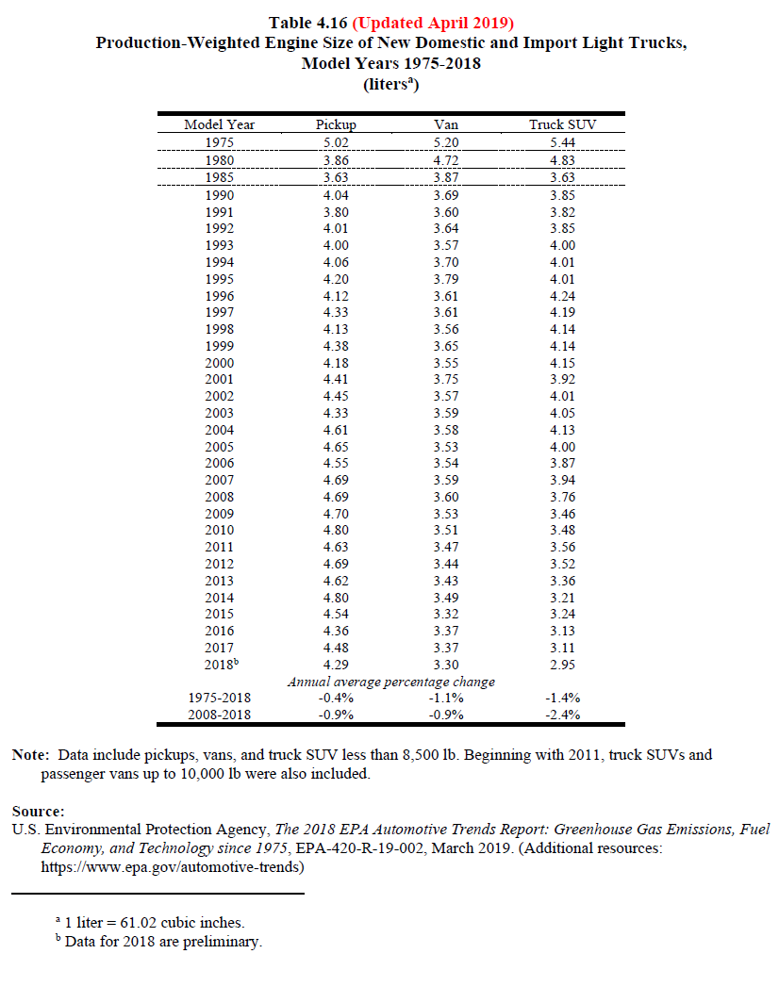

The production-weighted loaded vehicle weight of pickups, vans, and truck SUVs increased from 1975 to 2018. Pickups gained more than 1,100 lb while vans gained 290 lb and truck SUVs gained 225 lb.

 |  |  |  |  |  |  | The production-weighted loaded vehicle weight of cars declined by 525 lb from 1975 to 2018, while car SUVs declined by 222 lb.

Table 4.18 (Updated April 2019)
Production-Weighted Loaded Vehicle Weight of New |  |  |  |  |  |  | Table 4.17 (Updated April 2019)
Domestic and Import Light Trucks |  |  |  |  |  |  | Production-Weighted Loaded Vehicle Weight of New Domestic and Import Cars
Model Years 1975-2018 |  |  |  |  |  |  | Model Years 1975-2018
(pounds) |  |  |  | Calculated |  |  | (pounds)

Model Year | Pickup | Van | Truck SUV | Pickup / Truck SUV |  |  | Model Year | Car | Car SUV
1975 | 4,012 | 4,196 | 4,214 | 0.95206454675 |  |  | 1975 | 4,058 | 4,000
1976 | 4,122 | 4,200 | 4,328 | 0.95240295749 |  |  | 1976 | 4,059 | 3,986
1977 | 4,092 | 4,252 | 4,248 | 0.96327683616 |  |  | 1977 | 3,944 | 4,000
1978 | 4,104 | 4,250 | 4,282 | 0.95843063989 |  |  | 1978 | 3,588 | 4,000
1979 | 4,142 | 4,541 | 4,561 | 0.9081341811 |  |  | 1979 | 3,485 | 3,271
1980 | 3,740 | 4,353 | 4,237 | 0.8827000236 |  |  | 1980 | 3,101 | 4,000
1981 | 3,679 | 4,324 | 4,208 | 0.87428707224 |  |  | 1981 | 3,076 | 4,000
1982 | 3,629 | 4,342 | 4,494 | 0.8075211393 |  |  | 1982 | 3,054 | 2,630
1983 | 3,544 | 4,414 | 4,270 | 0.8299765808 |  |  | 1983 | 3,112 | 3,124
1984 | 3,619 | 4,075 | 4,049 | 0.8938009385 |  |  | 1984 | 3,099 | 3,487
1985 | 3,642 | 3,975 | 4,092 | 0.89002932551 |  |  | 1985 | 3,093 | 3,469
1986 | 3,574 | 3,998 | 3,958 | 0.90298130369 |  |  | 1986 | 3,041 | 3,479
1987 | 3,526 | 3,972 | 3,882 | 0.90829469346 |  |  | 1987 | 3,031 | 3,492
1988 | 3,737 | 4,053 | 3,906 | 0.95673323093 |  |  | 1988 | 3,047 | 3,495
1989 | 3,803 | 4,057 | 4,086 | 0.93073910915 |  |  | 1989 | 3,099 | 3,497
1990 | 3,928 | 4,095 | 4,098 | 0.95851634944 |  |  | 1990 | 3,176 | 3,518
1991 | 3,779 | 4,133 | 4,157 | 0.90906904017 |  |  | 1991 | 3,154 | 3,733
1992 | 3,976 | 4,151 | 4,204 | 0.9457659372 |  |  | 1992 | 3,240 | 3,713
1993 | 3,996 | 4,105 | 4,331 | 0.92265065805 |  |  | 1993 | 3,207 | 3,848
1994 | 4,056 | 4,156 | 4,331 | 0.93650427153 |  |  | 1994 | 3,250 | 3,735
1995 | 4,182 | 4,110 | 4,323 | 0.96738376128 |  |  | 1995 | 3,263 | 3,763
1996 | 4,190 | 4,195 | 4,386 | 0.9553123575 |  |  | 1996 | 3,282 | 3,710
1997 | 4,415 | 4,240 | 4,463 | 0.98924490253 |  |  | 1997 | 3,274 | 3,549
1998 | 4,282 | 4,183 | 4,450 | 0.96224719101 |  |  | 1998 | 3,306 | 3,824
1999 | 4,486 | 4,306 | 4,518 | 0.99291722001 |  |  | 1999 | 3,365 | 3,831
2000 | 4,340 | 4,276 | 4,602 | 0.9430682312 |  |  | 2000 | 3,369 | 3,870
2001 | 4,551 | 4,518 | 4,546 | 1.001099868 |  |  | 2001 | 3,380 | 3,765
2002 | 4,690 | 4,394 | 4,636 | 1.0116479724 |  |  | 2002 | 3,391 | 3,747
2003 | 4,642 | 4,393 | 4,754 | 0.97644089188 |  |  | 2003 | 3,417 | 3,716
2004 | 4,939 | 4,487 | 4,756 | 1.0384777124 |  |  | 2004 | 3,462 | 3,854
2005 | 4,988 | 4,430 | 4,756 | 1.0487804878 |  |  | 2005 | 3,463 | 3,848
2006 | 4,968 | 4,475 | 4,715 | 1.0536585366 |  |  | 2006 | 3,534 | 3,876
2007 | 5,144 | 4,479 | 4,797 | 1.0723368772 |  |  | 2007 | 3,507 | 3,935
2008 | 5,161 | 4,527 | 4,727 | 1.0918129892 |  |  | 2008 | 3,527 | 3,902
2009 | 5,176 | 4,572 | 4,548 | 1.1380826737 |  |  | 2009 | 3,464 | 3,846
2010 | 5,309 | 4,533 | 4,555 | 1.165532382 |  |  | 2010 | 3,474 | 3,949
2011 | 5,268 | 4,502 | 4,665 | 1.1292604502 |  |  | 2011 | 3,559 | 3,890
2012 | 5,335 | 4,442 | 4,640 | 1.1497844828 |  |  | 2012 | 3,452 | 3,915
2013 | 5,429 | 4,543 | 4,584 | 1.1843368237 |  |  | 2013 | 3,465 | 3,966
2014 | 5,485 | 4,489 | 4,483 | 1.2235110417 |  |  | 2014 | 3,497 | 3,865
2015 | 5,165 | 4,416 | 4,533 | 1.1394220163 |  |  | 2015 | 3,489 | 3,868
2016 | 5,150 | 4,459 | 4,482 | 1.1490406069 |  |  | 2016 | 3,468 | 3,782
2017 | 5,217 | 4,503 | 4,510 | 1.1567627494 |  |  | 2017 | 3,470 | 3,855
2018b | 5,184 | 4,485 | 4,438 | 1.1680937359 |  |  | 2018b | 3,532 | 3,778
Annual average percentage change |  |  |  |  |  |  | Annual average percentage change
1975-2018 | 0.6% | 0.2% | 0.1% |  |  |  | 1975-2018 | -0.3% | -0.1%
2008-2018 | 0.0% | -0.1% | -0.6% |  |  |  | 2008-2018 | 0.0% | -0.3%
 |  |  |  |  |  |  | a Loaded vehicle weight is equal to the vehicle’s curb weight plus 300 pounds.
Note: Data include pickups, vans, and truck SUV less than 8,500 lb. Beginning with 2011, truck SUVs and passenger vans up to 10,000 lb were also included. |  |  |  |  |  |  | b Data for 2018 are preliminary.

a Loaded vehicle weight is equal to the vehicle’s curb weight plus 300 pounds.
b Data for 2018 are preliminary.

LDV psg battery
Bloomberg Battery Costs
https://about.bnef.com/blog/battery-pack-prices-cited-below-100-kwh-for-the-first-time-in-2020-while-market-average-sits-at-137-kwh/

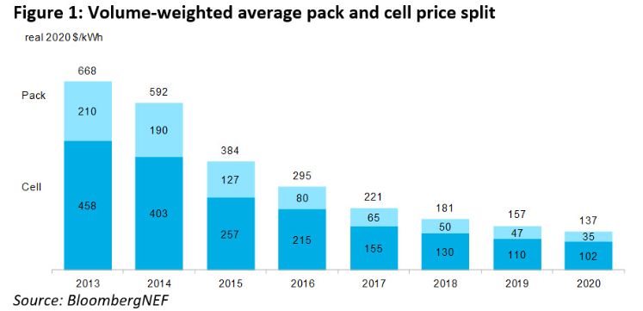

US EPS Results
3.1 results retrieved 01/11/2021

Year | Battery Cost [2019 dollars / kilowatt-hour (kWh)] | Fraction of 2019 (start year)
2019 | 508.02 | 1
2020 | 458.159 | 0.90185228928
2021 | 430.024 | 0.84647061139
2022 | 411.261 | 0.8095370261
2023 | 397.149 | 0.78175859218
2024 | 385.872 | 0.75956064722
2025 | 376.623 | 0.74135467108
2026 | 368.367 | 0.72510334239
2027 | 360.895 | 0.71039526003
2028 | 354.189 | 0.69719499232
2029 | 348.161 | 0.68532931774
2030 | 342.739 | 0.67465650959
2031 | 337.91 | 0.66515097831
2032 | 333.633 | 0.65673201842
2033 | 329.888 | 0.64936026141
2034 | 326.596 | 0.64288020157
2035 | 323.699 | 0.63717767017
2036 | 321.11 | 0.63208141412
2037 | 318.818 | 0.62756978072
2038 | 316.776 | 0.62355025393
2039 | 314.935 | 0.61992638085
2040 | 313.258 | 0.61662532971
2041 | 311.749 | 0.61365497421
2042 | 310.38 | 0.61096019842
2043 | 309.131 | 0.60850163379
2044 | 307.987 | 0.60624975395
2045 | 306.934 | 0.60417700091
2046 | 305.961 | 0.60226172198
2047 | 305.058 | 0.6004842329
2048 | 304.216 | 0.59882681784
2049 | 303.43 | 0.59727963466
2050 | 302.693 | 0.59582890437
Californie EPS output (25 April 2022)
Time (Time) |  |  |  | 2020 | 2021 | 2022 | 2023 | 2024 | 2025 | 2026 | 2027 | 2028 | 2029 | 2030 | 2031 | 2032 | 2033 | 2034 | 2035 | 2036 | 2037 | 2038 | 2039 | 2040 | 2041 | 2042 | 2043 | 2044 | 2045 | 2046 | 2047 | 2048 | 2049 | 2050 | 2050
This Year Battery Cost as Fraction of First Year Battery Cost : MostRecentRun |  |  |  | 1.00 | 0.81 | 0.69 | 0.60 | 0.53 | 0.48 | 0.44 | 0.40 | 0.37 | 0.34 | 0.32 | 0.30 | 0.28 | 0.26 | 0.24 | 0.23 | 0.22 | 0.21 | 0.20 | 0.19 | 0.19 | 0.18 | 0.17 | 0.17 | 0.16 | 0.16 | 0.16 | 0.15 | 0.15 | 0.15 | 0.14 | 0.60

Calculations
 | 2017 | 2018 | 2019 | 2020 | 2021 | 2022 | 2023 | 2024 | 2025 | 2026 | 2027 | 2028 | 2029 | 2030 | 2031 | 2032 | 2033 | 2034 | 2035 | 2036 | 2037 | 2038 | 2039 | 2040 | 2041 | 2042 | 2043 | 2044 | 2045 | 2046 | 2047 | 2048 | 2049 | 2050
Battery cost ($ / kWh) | $214 | $176.00 | $157.00 | $137.00 | $111.31 | $94.61 | $82.61 | $73.20 | $66.24 | $60.33 | $55.17 | $50.73 | $46.86 | $43.44 | $40.42 | $37.76 | $35.47 | $33.48 | $31.74 | $30.18 | $28.81 | $27.60 | $26.52 | $25.53 | $24.66 | $23.87 | $23.15 | $22.50 | $21.91 | $21.37 | $20.87 | $20.41 | $19.98 | $19.58
https://about.bnef.com/blog/battery-pack-prices-cited-below-100-kwh-for-the-first-time-in-2020-while-market-average-sits-at-137-kwh/

LDV fleet average BEV battery capacity | 92 | 92 | 92 | 92 | 92 | 92 | 93 | 93 | 93 | 93 | 93 | 93 | 93 | 93 | 93 | 93 | 93 | 93 | 93 | 93 | 93 | 94 | 94 | 94 | 94 | 94 | 94 | 94 | 94 | 94 | 94 | 94 | 94 | 94

Electric
Battery cost (2012$) | $17,597 | $14,472 | $12,910 | $11,265 | $9,153 | $7,779 | $6,801 | $6,034 | $5,465 | $4,978 | $4,552 | $4,184 | $3,863 | $3,581 | $3,340 | $3,126 | $2,940 | $2,778 | $2,635 | $2,508 | $2,396 | $2,298 | $2,209 | $2,129 | $2,057 | $1,992 | $1,934 | $1,881 | $1,832 | $1,787 | $1,746 | $1,708 | $1,672 | $1,654
Battery cost (2020$) | $19,772 | $16,261 | $14,506 | $12,658 | $10,284 | $8,741 | $7,642 | $6,779 | $6,141 | $5,594 | $5,114 | $4,701 | $4,341 | $4,024 | $3,753 | $3,513 | $3,304 | $3,121 | $2,961 | $2,818 | $2,693 | $2,582 | $2,482 | $2,392 | $2,311 | $2,238 | $2,173 | $2,113 | $2,058 | $2,008 | $1,962 | $1,919 | $1,879 | $1,842

PHEV
Battery size (kWh) | 33.8 | 33.8 | 33.8 | 33.8 | 33.8 | 34.8 | 35.0 | 35.0 | 35.1 | 35.1 | 35.1 | 35.1 | 35.1 | 35.1 | 35.2 | 35.2 | 35.2 | 35.2 | 35.2 | 35.2 | 35.2 | 35.2 | 35.2 | 35.2 | 35.2 | 35.2 | 35.3 | 35.3 | 35.3 | 35.3 | 35.3 | 35.3 | 35.4 | 35.4
Battery cost (2012$) | $6,494.41 | $5,341.20 | $4,764.59 | $4,157.63 | $3,377.96 | $2,955.37 | $2,594.16 | $2,302.68 | $2,085.81 | $1,901.41 | $1,739.89 | $1,600.81 | $1,479.04 | $1,371.09 | $1,277.34 | $1,193.05 | $1,120.61 | $1,057.55 | $1,002.48 | $953.37 | $910.25 | $872.27 | $838.08 | $807.36 | $779.99 | $755.35 | $733.14 | $712.98 | $694.51 | $677.69 | $662.19 | $647.84 | $634.55 | $621.89

Intermediate calculations
 |  |  |  | 2020 | 2021 | 2022 | 2023 | 2024 | 2025 | 2026 | 2027 | 2028 | 2029 | 2030 | 2031 | 2032 | 2033 | 2034 | 2035 | 2036 | 2037 | 2038 | 2039 | 2040 | 2041 | 2042 | 2043 | 2044 | 2045 | 2046 | 2047 | 2048 | 2049 | 2050
LDV weighted average |  |  |  | 92.39 | 92.39 | 92.39 | 92.51 | 92.62 | 92.71 | 92.72 | 92.70 | 92.67 | 92.64 | 92.63 | 92.86 | 93.02 | 93.14 | 93.23 | 93.31 | 93.38 | 93.45 | 93.53 | 93.60 | 93.67 | 93.74 | 93.79 | 93.85 | 93.90 | 93.95 | 93.99 | 94.02 | 94.03 | 94.04 | 94.06

Car |  |  |  | 81.96 | 81.96 | 81.96 | 82.12 | 82.13 | 82.13 | 82.03 | 81.96 | 81.87 | 81.78 | 81.79 | 81.70 | 81.72 | 81.68 | 81.66 | 81.64 | 81.62 | 81.60 | 81.59 | 81.59 | 81.58 | 81.58 | 81.58 | 81.58 | 81.59 | 81.61 | 81.62 | 81.64 | 81.66 | 81.68 | 81.70
Light truck |  |  |  | 98.59 | 98.59 | 98.59 | 98.68 | 98.85 | 98.99 | 99.07 | 99.08 | 99.08 | 99.09 | 99.08 | 99.50 | 99.73 | 99.95 | 100.11 | 100.24 | 100.37 | 100.50 | 100.63 | 100.74 | 100.86 | 100.96 | 101.05 | 101.14 | 101.22 | 101.28 | 101.34 | 101.37 | 101.39 | 101.39 | 101.40

Cars
Share of 200 mile BEVs |  |  |  | 0.15130046796 | 0.15130046796 | 0.13724976485 | 0.13160717828 | 0.13124828148 | 0.13140039506 | 0.13498348328 | 0.13732551298 | 0.1403850844 | 0.14353451169 | 0.14321195408 | 0.14636130471 | 0.14554065825 | 0.14716819297 | 0.14769391302 | 0.14844168157 | 0.14915319318 | 0.14973795004 | 0.15020119898 | 0.15035246488 | 0.15066349372 | 0.15061827811 | 0.15056727703 | 0.1504724546 | 0.15011449124 | 0.14967777515 | 0.14909864223 | 0.14836949598 | 0.14777020749 | 0.14714151544 | 0.14623400137
Share of 300 mile BEVs |  |  |  | 0.84869953204 | 0.84869953204 | 0.86275023515 | 0.86839282172 | 0.86875171852 | 0.86859960494 | 0.86501651672 | 0.86267448702 | 0.8596149156 | 0.85646548831 | 0.85678804592 | 0.85363869529 | 0.85445934175 | 0.85283180703 | 0.85230608698 | 0.85155831843 | 0.85084680682 | 0.85026204996 | 0.84979880102 | 0.84964753512 | 0.84933650628 | 0.84938172189 | 0.84943272297 | 0.8495275454 | 0.84988550876 | 0.85032222485 | 0.85090135777 | 0.85163050402 | 0.85222979251 | 0.85285848456 | 0.85376599863

Light trucks
Share of 200 mile BEVs |  |  |  | 0.17638783803 | 0.17638783803 | 0.20760750623 | 0.20522120111 | 0.20036577766 | 0.19622370994 | 0.19408286698 | 0.19368897762 | 0.19373975106 | 0.19340345478 | 0.19391245258 | 0.18193412866 | 0.17532021478 | 0.16924376418 | 0.16473649583 | 0.16085240548 | 0.15712844726 | 0.15368634973 | 0.1498106761 | 0.14681423917 | 0.14335444821 | 0.14042566661 | 0.13813373534 | 0.13548988737 | 0.13321700594 | 0.13143286327 | 0.12973982777 | 0.1288415368 | 0.12850422906 | 0.12827732421 | 0.12803298925
Share of 300 mile BEVs |  |  |  | 0.82361216197 | 0.82361216197 | 0.79239249377 | 0.79477879889 | 0.79963422234 | 0.80377629006 | 0.80591713302 | 0.80631102238 | 0.80626024894 | 0.80659654522 | 0.80608754742 | 0.81806587134 | 0.82467978522 | 0.83075623582 | 0.83526350417 | 0.83914759452 | 0.84287155274 | 0.84631365027 | 0.8501893239 | 0.85318576083 | 0.85664555179 | 0.85957433339 | 0.86186626466 | 0.86451011263 | 0.86678299406 | 0.86856713673 | 0.87026017223 | 0.8711584632 | 0.87149577094 | 0.87172267579 | 0.87196701075

 | 200 mile | 300 mile
Car | 57 | 86
Truck | 71 | 106

Cars | Mean composition % | 200 mile | 300 mile
Compact | 19% | 56 | 84
Sedan | 39% | 56 | 84
Crossover | 42% | 59 | 89

Truck | Mean composition %
Crossover | 57% | 59 | 89
SUV | 7% | 70 | 104
Pickup | 36% | 89 | 133

Adjustment factors to impute BEV pickup powertrain cost |  | 1.2788204314

PHEV average across cars and trucks |  |  |  |  | 33.792702151 | 33.792702151 | 34.783910771 | 34.968829401 | 35.028830069 | 35.06524821 | 35.092545785 | 35.116614665 | 35.136424166 | 35.146315597 | 35.143922843 | 35.192956567 | 35.178687673 | 35.178042434 | 35.175491286 | 35.174805581 | 35.178180163 | 35.179080443 | 35.187371126 | 35.190980836 | 35.208321166 | 35.225995162 | 35.24178082 | 35.260777648 | 35.280127867 | 35.295434645 | 35.313981891 | 35.331786547 | 35.348193927 | 35.365753396

LDV psg EV specs
ICCT Electric Vehicle Component Cost Data
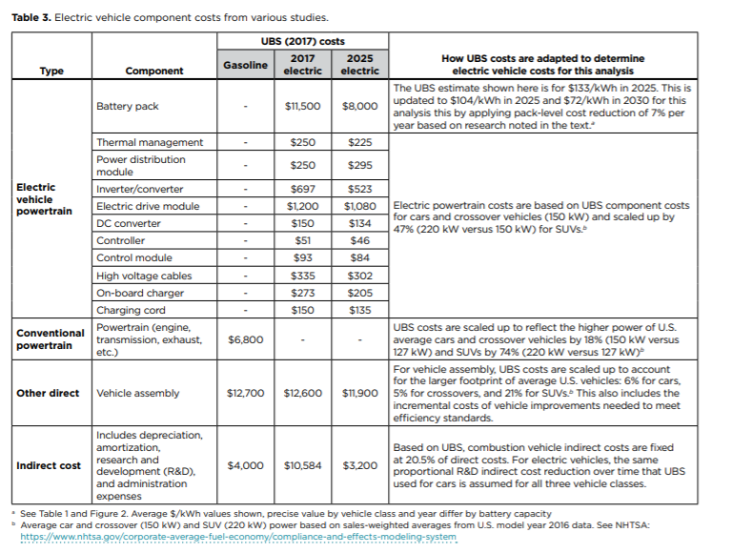

 |  |  |  |  |  | Electric vehicle powertrain costs (excluding battery)
 |  |  |  |  |  | Thermal management | $250
 |  |  |  |  |  | Power distribution module | $250
 |  |  |  |  |  | Inverter/converter | $697
 |  |  |  |  |  | Electric drive module | $1,200
 |  |  |  |  |  | DC converter | $150
 |  |  |  |  |  | Controller | $51
 |  |  |  |  |  | Control module | $93
 |  |  |  |  |  | High voltage cables | $335
 |  |  |  |  |  | On-board charger | $273
 |  |  |  |  |  | Charging cord | $150

 |  |  |  |  |  | Other direct costs
 |  |  |  |  |  | Vehicle assembly | $12,600

 |  |  |  |  |  | Indirect costs
 |  |  |  |  |  | Gasoline | $4,000
 |  |  |  |  |  | 2017 Electric | $10,584
 |  |  |  |  |  | 2025 Electric | $3,200

Calculations

Adjustment Factors
SUVs/Truck SUVs | 1.47 | Truck to SUV adjustment factor (2019 Transport Energy Data Book). "Cars and crossovers" to SUVs adjustment factor (value used in ICCT analysis, i.e. 150 KW vs 220 kW)
Light Trucks/SUV | 1.22 | Ratio of pickup over SUV weight

EV Powertrain Costs (not including battery)
 | Cars and crossovers | SUVs (or "Truck SUV") | Light truck (or "pickup")
Thermal management | $250 | $368 | $448
Power distribution module | $250 | $368 | $448
Inverter/converter | $697 | $1,025 | $1,248
Electric drive module | $1,200 | $1,764 | $2,149
DC converter | $150 | $221 | $269
Controller | $51 | $75 | $91
Control module | $93 | $137 | $167
High voltage cables | $335 | $492 | $600
On-board charger | $273 | $401 | $489
Charging cord | $150 | $221 | $269
Total | $3,449 | $5,070 | $6,176

Other Direct Costs
 | UBS Vehicle (compact car) | Cars and crossovers | SUVs | Light truck
Adjustment factor applied to USB values following ICCT method | 1 | 1.055 | 1.21 | 1.2181 | Scaled up at 5.5% for cars and crossovers (simple average of 5 and 6) and 21% for SUVs

Other direct costs | $12,600 | $13,293 | $15,246 | $15,348

Profit Margins
 | Cars and crossovers | Truck SUV | Pickup
Electric powertrain | $3,449 | $5,070 | $6,176
Other direct | $13,293 | $15,246 | $15,348
Subtotal | $16,742 | $20,316 | $21,524

Manufacturing profit margin | 10% | 15% | 25%

Cost with manufacturing margin | $18,416 | $23,363 | $26,905

Dealer margin | 15% | 15% | 15%

Retail before indirect (adds eight percent sales tax) | $22,873 | $29,017 | $33,416

2018 Subtotal Before Indirect Costs
 |  | shares
Cars (cars and crossovers) | $22,872.92 | 0.37282213007
Light trucks (SUVs and pickups) | $30,274.24 | 0.62717786993

Other costs
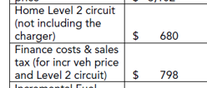
Two costs in CARB's ISOR are factored in
 |  |  |  |  |  |  | From the ISOR
Level 2 circuit | 680
Financing | 798
Add for costs illuminated in CARB's ISOR | 1478

Weighted Average BEV LDV Cost
 | 2018
2012 $s | $27,824.45 | adding inflation markup
2018 $s | $28,992.86

Manufacturer and Dealer Profit Margins

Assumption | Value | Source | Notes
Dealer profit margin | 15% | ICCT, p.7 | Constant across vehicle types
Manufacturer profit margin: car | 5% | ICCT, p.7
Manufacturer profit margin: crossover | 10% | ICCT, p.7
Manufacturer profit margin: SUV (full size or truck SUV) | 15% | ICCT, p.7
Manufacturer profit margin: pickup | 25% | Assumed | We have not identified the industry average yet, but have found copius anecdotal evidence of higher profits in this segment, e.g. https://www.autonews.com/article/20150428/BLOG06/150429797/the-f-150-ford-s-heavy-duty-profit-hauler

Car and light truck profit margins
Light truck | 18%
Car | 10%

Car
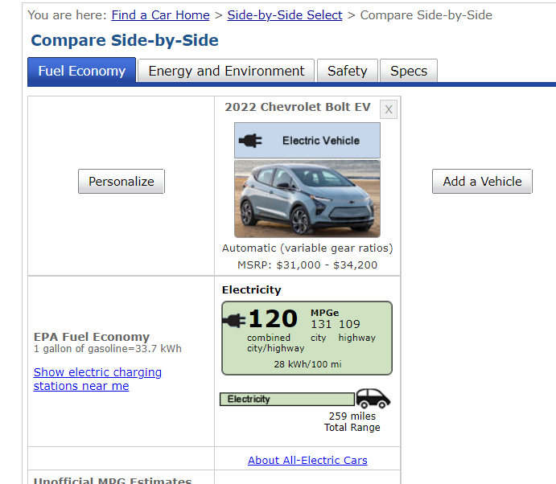
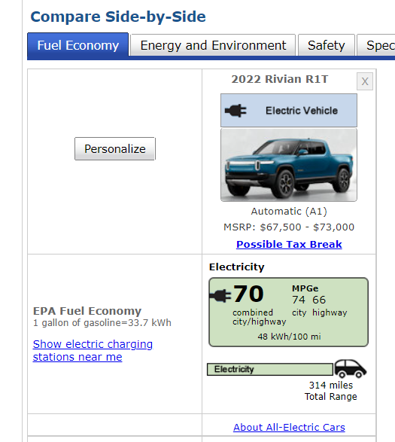
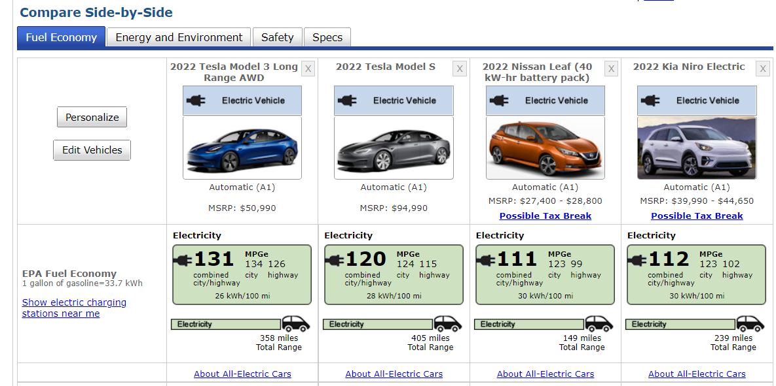
 | 200 mile battery | 300 mile battery
Compact | 56 | 84
Sedan | 56 | 84

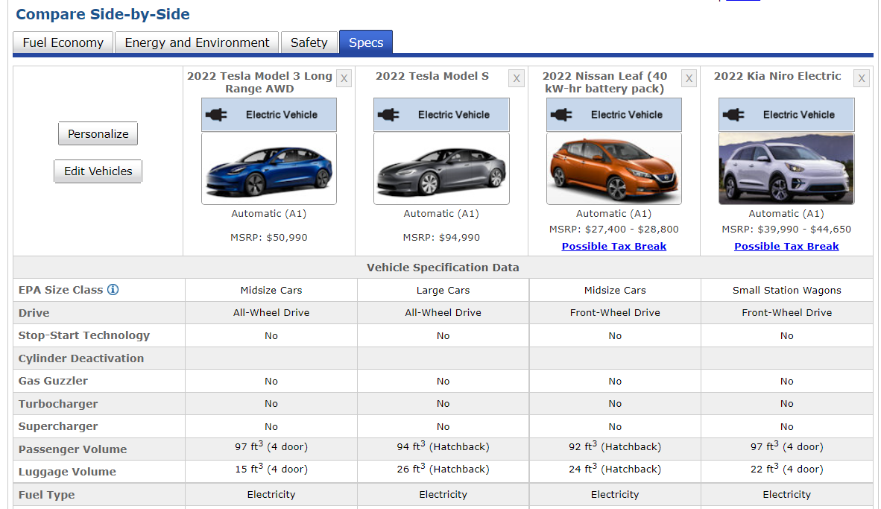
Sedan
 | Tesla Model 3 | Tesla Model S | Nissan
kWh usable | 93 | 113 | 45
Range | 358 | 405 | 149
fuel economy per 100 mi | 26 | 28 | 30

200 mile battery | 52 | 56 | 60
300 mile battery | 78 | 84 | 90

Compact | Chev. Bolt
kWh usable | 62
Range | 222
fuel economy per 100 mi | 28

200 mile battery | 56
300 mile battery | 84

Pickup
 | Pickup
200 mile battery | 89
300 mile battery | 133


 | Average | Rivian | Lightning
KWh |  |  | 131
Mile range |  |  | 320
200 miles range estimate | 88.9375 | 96 | 81.875
300 miles range estimate | 133.40625 | 144 | 122.8125

https://www.ford.com/trucks/f150/f150-lightning/

https://www.caranddriver.com/news/a38552140/2022-ford-f-150-lightning-battery-specs-revealed/

Rivian
kWh usable | 151
Range | 314
fuel economy per 100 mi | 48

Crossover
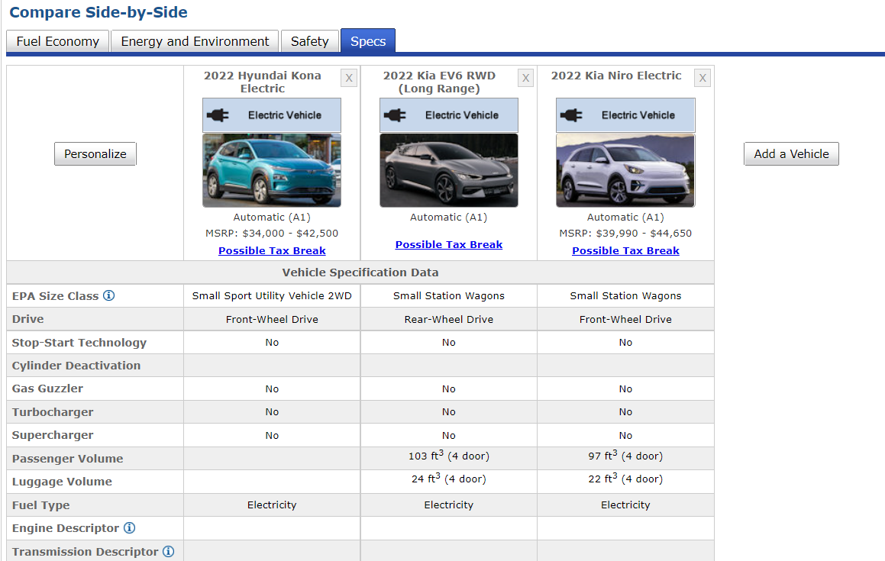
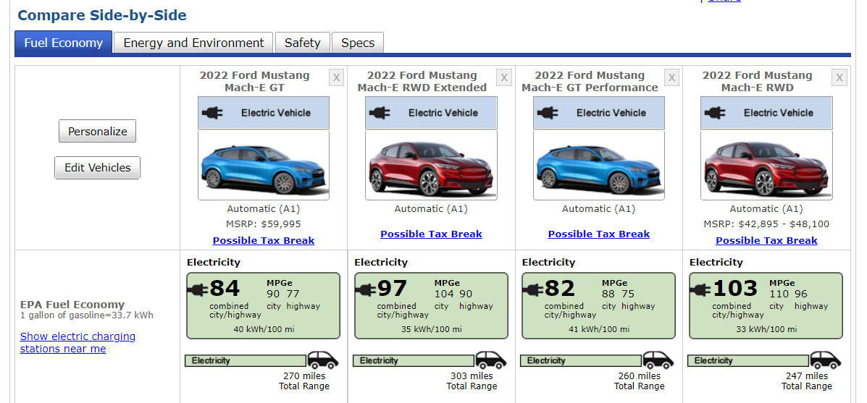
 | Crossover average |  | Mustang Mach E | Tesla Model Y | Hyundai Kona E | Kia EV6
200 mile battery | 59 |  | 66 | 56 | 56 | 58
300 mile battery | 89 |  | 99 | 84 | 84 | 87

Crossover

Ford Mustang Mach E | GT | RWD extended | GT Performance |  |  | Average
kWh usable | 108 | 106 | 107 | 82 |  | 101
Range | 270 | 303 | 260 | 247 |  | 270
fuel economy per 100 mi | 40 | 35 | 41 | 33 |  | 37

200 mile battery | 66 | Calculated using best value since future gains unspecified
300 mile battery | 99 | Calculated using best value since future gains unspecified

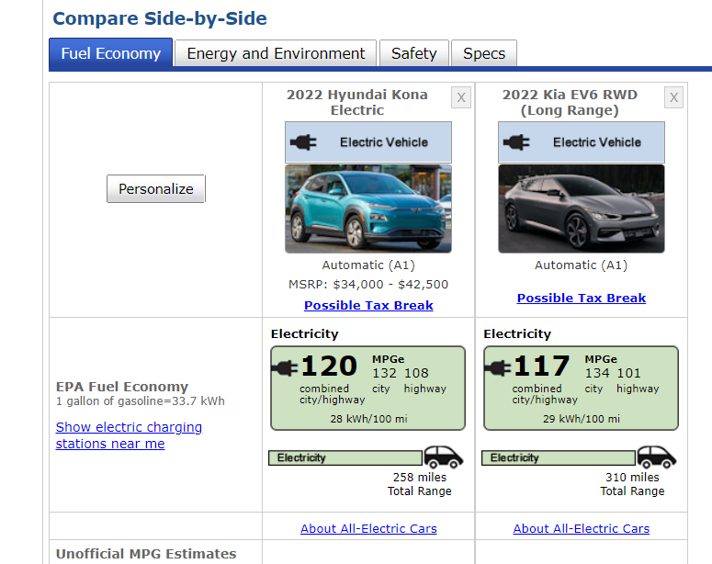
Tesla Model Y | Main model
kWh usable | 92 | 78
Range | 330 | 279
fuel economy per 100 mi | 28 | 28

200 mile battery | 56 | Calculated using best value since future gains unspecified
300 mile battery | 84 | Calculated using best value since future gains unspecified

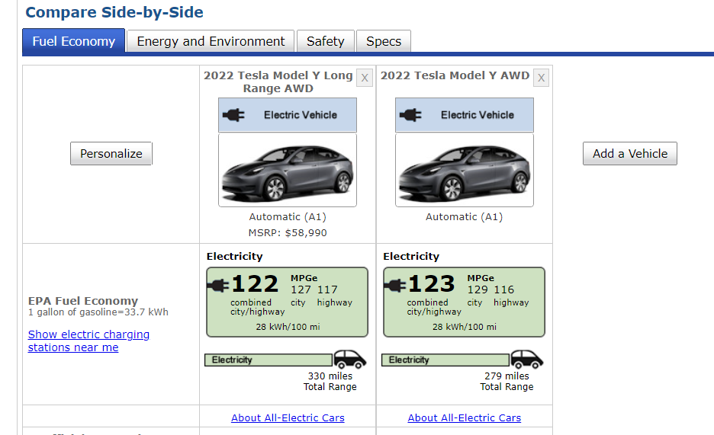
Additional models | Hyundai Kona E | Kia EV6
fuel economy per 100 mi | 28 | 29
200 mile battery | 56 | 58
300 mile battery | 84 | 87

SUV
 | SUV |  | Tesla Model X | Audi e-tron | Kia Niro E | Mercedes EQS580
200 mile battery | 70 |  | 68 | 86 | 60 | 64
300 mile battery | 104 |  | 102 | 129 | 90 | 96

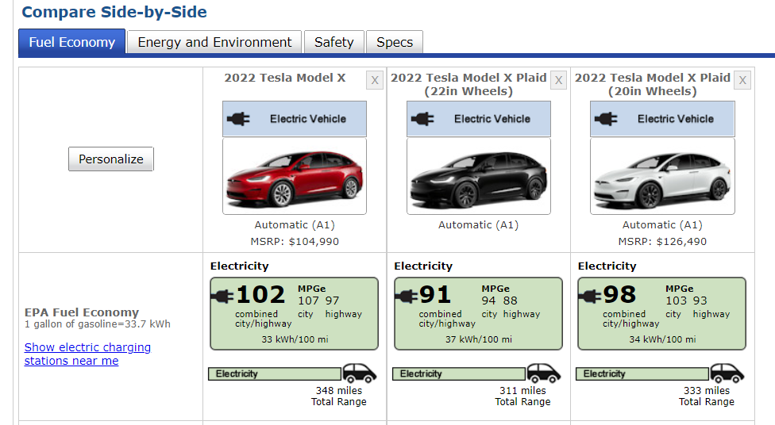
Tesla Model X | Main model
kWh usable | 115 | 115 | 113
Range | 348 | 311 | 333
fuel economy per 100 mi | 33 | 37 | 34

200 mile battery | 68
300 mile battery | 102

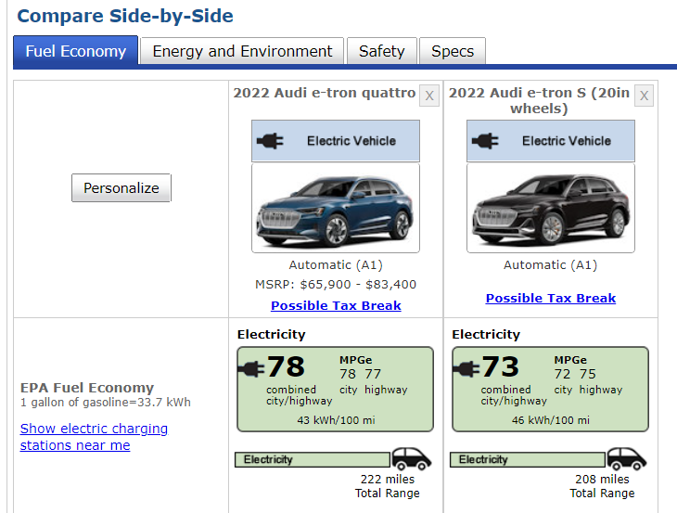
Audi e-tron | Main model
kWh usable | 95 | 96
Range | 222 | 208
fuel economy per 100 mi | 43 | 46

200 mile battery | 86
300 mile battery | 129

Mercedes EQS580 | Mean value
kWh usable | 108
Range | 345
fuel economy per 100 mi | 32

200 mile battery | 64
300 mile battery | 96

 |  |  | https://www.caranddriver.com/news/a37888423/mercedes-benz-eqs-range-specs/
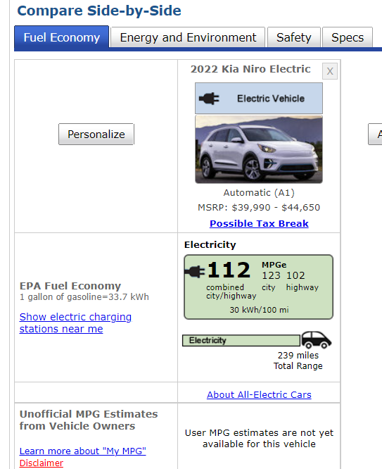
Additional models | Kia Niro E
fuel economy per 100 mi | 30
200 mile battery | 60
300 mile battery | 90

HDV frt
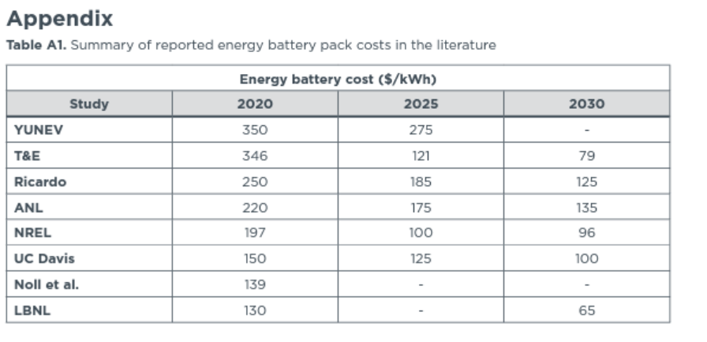
In 2012 $s
Day cab - HDV frt | 2020 | 2021 | 2022 | 2023 | 2024 | 2025 | 2026 | 2027 | 2028 | 2029 | 2030 | 2031 | 2032 | 2033 | 2034 | 2035 | 2036 | 2037 | 2038 | 2039 | 2040 | 2041 | 2042 | 2043 | 2044 | 2045 | 2046 | 2047 | 2048 | 2049 | 2050
battery electric vehicle | $170,105.71 | $158,150.04 | $150,378.65 | $144,793.31 | $140,415.60 | $137,175.32 | $134,428.49 | $132,025.80 | $129,960.24 | $128,158.31 | $126,568.10 | $125,159.52 | $123,925.63 | $122,858.84 | $121,931.10 | $121,120.15 | $120,395.27 | $119,759.77 | $119,197.34 | $118,692.60 | $118,234.33 | $117,825.86 | $117,458.39 | $117,126.04 | $116,824.04 | $116,548.30 | $116,296.03 | $116,063.71 | $115,848.86 | $115,649.50 | $115,463.92
natural gas vehicle | $99,455.83 | $99,455.83 | $99,455.83 | $108,042.18 | $116,628.54 | $125,214.89 | $133,801.24 | $142,387.60 | $142,387.60 | $142,387.60 | $142,387.60 | $142,387.60 | $142,387.60 | $142,387.60 | $142,387.60 | $142,387.60 | $142,387.60 | $142,387.60 | $142,387.60 | $142,387.60 | $142,387.60 | $142,387.60 | $142,387.60 | $142,387.60 | $142,387.60 | $142,387.60 | $142,387.60 | $142,387.60 | $142,387.60 | $142,387.60 | $142,387.60
gasoline vehicle | $999,999.00 | $999,999.00 | $999,999.00 | $999,999.00 | $999,999.00 | $999,999.00 | $999,999.00 | $999,999.00 | $999,999.00 | $999,999.00 | $999,999.00 | $999,999.00 | $999,999.00 | $999,999.00 | $999,999.00 | $999,999.00 | $999,999.00 | $999,999.00 | $999,999.00 | $999,999.00 | $999,999.00 | $999,999.00 | $999,999.00 | $999,999.00 | $999,999.00 | $999,999.00 | $999,999.00 | $999,999.00 | $999,999.00 | $999,999.00 | $999,999.00
diesel vehicle | $99,455.83 | $99,455.83 | $99,455.83 | $108,042.18 | $116,628.54 | $125,214.89 | $133,801.24 | $142,387.60 | $142,387.60 | $142,387.60 | $142,387.60 | $142,387.60 | $142,387.60 | $142,387.60 | $142,387.60 | $142,387.60 | $142,387.60 | $142,387.60 | $142,387.60 | $142,387.60 | $142,387.60 | $142,387.60 | $142,387.60 | $142,387.60 | $142,387.60 | $142,387.60 | $142,387.60 | $142,387.60 | $142,387.60 | $142,387.60 | $142,387.60
plugin hybrid vehicle | $999,999.00 | $999,999.00 | $999,999.00 | $999,999.00 | $999,999.00 | $999,999.00 | $999,999.00 | $999,999.00 | $999,999.00 | $999,999.00 | $999,999.00 | $999,999.00 | $999,999.00 | $999,999.00 | $999,999.00 | $999,999.00 | $999,999.00 | $999,999.00 | $999,999.00 | $999,999.00 | $999,999.00 | $999,999.00 | $999,999.00 | $999,999.00 | $999,999.00 | $999,999.00 | $999,999.00 | $999,999.00 | $999,999.00 | $999,999.00 | $999,999.00
LPG vehicle | $999,999.00 | $999,999.00 | $999,999.00 | $999,999.00 | $999,999.00 | $999,999.00 | $999,999.00 | $999,999.00 | $999,999.00 | $999,999.00 | $999,999.00 | $999,999.00 | $999,999.00 | $999,999.00 | $999,999.00 | $999,999.00 | $999,999.00 | $999,999.00 | $999,999.00 | $999,999.00 | $999,999.00 | $999,999.00 | $999,999.00 | $999,999.00 | $999,999.00 | $999,999.00 | $999,999.00 | $999,999.00 | $999,999.00 | $999,999.00 | $999,999.00
hydrogen vehicle | $218,707.35 | $196,320.00 | $182,770.68 | $173,316.36 | $166,070.97 | $160,638.01 | $156,095.14 | $152,176.90 | $148,816.42 | $145,888.86 | $143,306.60 | $141,084.00 | $138,937.19 | $136,991.76 | $135,213.53 | $133,575.43 | $132,041.61 | $130,614.12 | $129,273.62 | $128,002.21 | $126,786.79 | $125,630.06 | $124,521.76 | $123,454.98 | $122,424.05 | $121,424.17 | $120,451.95 | $119,503.36 | $118,575.48 | $117,665.99 | $116,772.85

Sleeper cab - motorbikes frt
battery electric vehicle | $251,865.84 | $227,954.49 | $212,411.71 | $201,241.03 | $192,485.61 | $186,005.04 | $180,511.38 | $175,706.01 | $171,574.89 | $167,971.02 | $164,790.60 | $161,973.45 | $159,505.67 | $157,372.09 | $155,516.60 | $153,894.70 | $152,444.94 | $151,173.95 | $150,049.08 | $149,039.60 | $148,123.08 | $147,306.14 | $146,571.19 | $145,906.49 | $145,302.49 | $144,751.02 | $144,246.47 | $143,781.83 | $143,352.13 | $142,953.42 | $142,582.24
natural gas vehicle | $123,257.22 | $123,257.22 | $123,257.22 | $131,843.58 | $140,429.93 | $149,016.28 | $157,602.64 | $166,188.99 | $166,188.99 | $166,188.99 | $166,188.99 | $166,188.99 | $166,188.99 | $166,188.99 | $166,188.99 | $166,188.99 | $166,188.99 | $166,188.99 | $166,188.99 | $166,188.99 | $166,188.99 | $166,188.99 | $166,188.99 | $166,188.99 | $166,188.99 | $166,188.99 | $166,188.99 | $166,188.99 | $166,188.99 | $166,188.99 | $166,188.99
gasoline vehicle | $999,999.00 | $999,999.00 | $999,999.00 | $999,999.00 | $999,999.00 | $999,999.00 | $999,999.00 | $999,999.00 | $999,999.00 | $999,999.00 | $999,999.00 | $999,999.00 | $999,999.00 | $999,999.00 | $999,999.00 | $999,999.00 | $999,999.00 | $999,999.00 | $999,999.00 | $999,999.00 | $999,999.00 | $999,999.00 | $999,999.00 | $999,999.00 | $999,999.00 | $999,999.00 | $999,999.00 | $999,999.00 | $999,999.00 | $999,999.00 | $999,999.00
diesel vehicle | $123,257.22 | $123,257.22 | $123,257.22 | $131,843.58 | $140,429.93 | $149,016.28 | $157,602.64 | $166,188.99 | $166,188.99 | $166,188.99 | $166,188.99 | $166,188.99 | $166,188.99 | $166,188.99 | $166,188.99 | $166,188.99 | $166,188.99 | $166,188.99 | $166,188.99 | $166,188.99 | $166,188.99 | $166,188.99 | $166,188.99 | $166,188.99 | $166,188.99 | $166,188.99 | $166,188.99 | $166,188.99 | $166,188.99 | $166,188.99 | $166,188.99
plugin hybrid vehicle | $999,999.00 | $999,999.00 | $999,999.00 | $999,999.00 | $999,999.00 | $999,999.00 | $999,999.00 | $999,999.00 | $999,999.00 | $999,999.00 | $999,999.00 | $999,999.00 | $999,999.00 | $999,999.00 | $999,999.00 | $999,999.00 | $999,999.00 | $999,999.00 | $999,999.00 | $999,999.00 | $999,999.00 | $999,999.00 | $999,999.00 | $999,999.00 | $999,999.00 | $999,999.00 | $999,999.00 | $999,999.00 | $999,999.00 | $999,999.00 | $999,999.00
LPG vehicle | $999,999.00 | $999,999.00 | $999,999.00 | $999,999.00 | $999,999.00 | $999,999.00 | $999,999.00 | $999,999.00 | $999,999.00 | $999,999.00 | $999,999.00 | $999,999.00 | $999,999.00 | $999,999.00 | $999,999.00 | $999,999.00 | $999,999.00 | $999,999.00 | $999,999.00 | $999,999.00 | $999,999.00 | $999,999.00 | $999,999.00 | $999,999.00 | $999,999.00 | $999,999.00 | $999,999.00 | $999,999.00 | $999,999.00 | $999,999.00 | $999,999.00
hydrogen vehicle | $323,827.50 | $282,971.96 | $258,165.85 | $240,883.80 | $227,654.70 | $217,819.65 | $209,605.49 | $202,524.02 | $196,469.02 | $191,209.61 | $186,583.99 | $182,581.90 | $178,827.17 | $175,475.19 | $172,457.63 | $169,720.32 | $167,191.59 | $164,875.51 | $162,733.41 | $160,729.47 | $158,837.53 | $157,062.96 | $155,385.26 | $153,790.58 | $152,267.62 | $150,806.76 | $149,401.22 | $148,042.93 | $146,726.07 | $145,445.97 | $144,198.60
2020$s
Day cab - HDV frt
 | 2020 | 2021 | 2022 | 2023 | 2024 | 2025 | 2026 | 2027 | 2028 | 2029 | 2030 | 2031 | 2032 | 2033 | 2034 | 2035 | 2036 | 2037 | 2038 | 2039 | 2040 | 2041 | 2042 | 2043 | 2044 | 2045 | 2046 | 2047 | 2048 | 2049 | 2050
battery electric vehicle | $200,113 | $186,048 | $176,906 | $170,335 | $165,185 | $161,373 | $158,142 | $155,315 | $152,885 | $150,766 | $148,895 | $147,238 | $145,786 | $144,531 | $143,440 | $142,486 | $141,633 | $140,886 | $140,224 | $139,630 | $139,091 | $138,611 | $138,178 | $137,787 | $137,432 | $137,108 | $136,811 | $136,538 | $136,285 | $136,050 | $135,832
natural gas vehicle | 117000 | 117000 | 117000 | 127101 | 137202 | 147303 | 157404 | 167505 | 167505 | 167505 | 167505 | 167505 | 167505 | 167505 | 167505 | 167505 | 167505 | 167505 | 167505 | 167505 | 167505 | 167505 | 167505 | 167505 | 167505 | 167505 | 167505 | 167505 | 167505 | 167505 | 167505
gasoline vehicle
diesel vehicle | 117000 | 117000 | 117000 | 127101 | 137202 | 147303 | 157404 | 167505 | 167505 | 167505 | 167505 | 167505 | 167505 | 167505 | 167505 | 167505 | 167505 | 167505 | 167505 | 167505 | 167505 | 167505 | 167505 | 167505 | 167505 | 167505 | 167505 | 167505 | 167505 | 167505 | 167505
plugin hybrid vehicle
LPG vehicle
hydrogen vehicle | $257,287.68 | $230,951.17 | $215,011.72 | $203,889.65 | $195,366.16 | $188,974.82 | $183,630.57 | $179,021.15 | $175,067.88 | $171,623.89 | $168,586.12 | $165,971.45 | $163,445.94 | $161,157.33 | $159,065.42 | $157,138.35 | $155,333.97 | $153,654.67 | $152,077.70 | $150,582.01 | $149,152.19 | $147,791.40 | $146,487.60 | $145,232.64 | $144,019.85 | $142,843.59 | $141,699.87 | $140,583.95 | $139,492.39 | $138,422.46 | $137,371.77

Sleeper cab - motorbikes frt
battery electric vehicle | $296,295 | $268,166 | $249,881 | $236,740 | $226,440 | $218,817 | $212,354 | $206,701 | $201,841 | $197,601 | $193,860 | $190,546 | $187,643 | $185,133 | $182,950 | $181,042 | $179,336 | $177,841 | $176,518 | $175,330 | $174,252 | $173,291 | $172,427 | $171,645 | $170,934 | $170,285 | $169,692 | $169,145 | $168,640 | $168,171 | $167,734
natural gas vehicle | $145,000 | $145,000 | $145,000 | $155,101 | $165,202 | $175,303 | $185,404 | $195,505 | $195,505 | $195,505 | $195,505 | $195,505 | $195,505 | $195,505 | $195,505 | $195,505 | $195,505 | $195,505 | $195,505 | $195,505 | $195,505 | $195,505 | $195,505 | $195,505 | $195,505 | $195,505 | $195,505 | $195,505 | $195,505 | $195,505 | $195,505
gasoline vehicle
diesel vehicle | 145,000 | 145,000 | 145,000 | 155,101 | 165,202 | 175,303 | 185,404 | 195,505 | 195,505 | 195,505 | 195,505 | 195,505 | 195,505 | 195,505 | 195,505 | 195,505 | 195,505 | 195,505 | 195,505 | 195,505 | 195,505 | 195,505 | 195,505 | 195,505 | 195,505 | 195,505 | 195,505 | 195,505 | 195,505 | 195,505 | 195,505
plugin hybrid vehicle
LPG vehicle
hydrogen vehicle | $380,951.21 | $332,888.67 | $303,706.73 | $283,376.09 | $267,813.36 | $256,243.40 | $246,580.24 | $238,249.59 | $231,126.48 | $224,939.30 | $219,497.71 | $214,789.64 | $210,372.58 | $206,429.31 | $202,879.44 | $199,659.27 | $196,684.46 | $193,959.81 | $191,439.84 | $189,082.42 | $186,856.74 | $184,769.12 | $182,795.47 | $180,919.49 | $179,127.88 | $177,409.31 | $175,755.84 | $174,157.94 | $172,608.79 | $171,102.88 | $169,635.47

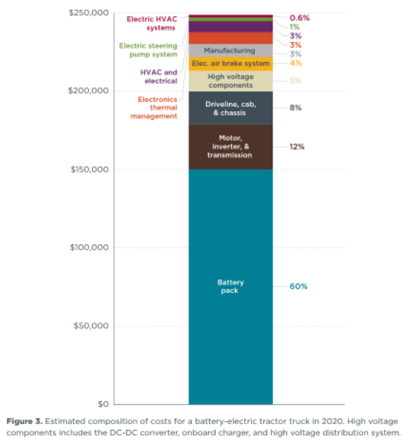
Vehicle calculations |  |  |  |  |  | Figure 3
 | HDV BEV purchase cost before mark up | $248,000
Sleeper / long haul | Battery cost (600 kWh) |  | $150,000
Day cab | Battery cost (300 kWh) |  | $75,000
 | Vehicle (balance after battery) |  | $98,000

Assume absolute markup is same as for Diesel
BEV markup |  | $36,599.04
Diesel margin (imputed) |  | 0.36
Diesel markup |  | $36,599
 | EV Markup | $36,599

Sleeper cab adjustment
Adjusted day cab vehicle cost (adjusting for innovation in non-battery costs) |  |  | $88,513.60
Estimated sleeper cab vehicle cost |  |  | $109,696.34

Start year vehicle cost including markup
Sleeper / long haul | Total cost with markup (600 KWh) |  | $296,295.4
Day cab | Total cost with markup (300 KWh) |  | $200,112.6

2020$s
Sleeper cab | $296,295 | $268,166.03 | $249,881.48 | $236,740.28 | $226,440.38 | $218,816.63 | $212,353.88 | $206,700.83 | $201,840.98 | $197,601.38 | $193,859.93 | $190,545.83 | $187,642.73 | $185,132.78 | $182,949.98 | $181,041.98 | $179,336.48 | $177,841.28 | $176,517.98 | $175,330.43 | $174,252.23 | $173,291.18 | $172,426.58 | $171,644.63 | $170,934.08 | $170,285.33 | $169,691.78 | $169,145.18 | $168,639.68 | $168,170.63 | $167,733.98
Day cab | $200,113 | $186,047.97 | $176,905.69 | $170,335.09 | $165,185.14 | $161,373.27 | $158,141.89 | $155,315.37 | $152,885.44 | $150,765.64 | $148,894.92 | $147,237.87 | $145,786.32 | $144,531.34 | $143,439.94 | $142,485.94 | $141,633.19 | $140,885.59 | $140,223.94 | $139,630.17 | $139,091.07 | $138,610.54 | $138,178.24 | $137,787.27 | $137,431.99 | $137,107.62 | $136,810.84 | $136,537.54 | $136,284.79 | $136,050.27 | $135,831.94

Sleeper cab - vehicle cost+markup | $146,295
Day cab - vehicle cost | $125,113

Sleeper cab - battery cost (plus 1/2 markup) | $150,000 | $121,870.65 | $103,586.10 | $90,444.90 | $80,145.00 | $72,521.25 | $66,058.50 | $60,405.45 | $55,545.60 | $51,306.00 | $47,564.55 | $44,250.45 | $41,347.35 | $38,837.40 | $36,654.60 | $34,746.60 | $33,041.10 | $31,545.90 | $30,222.60 | $29,035.05 | $27,956.85 | $26,995.80 | $26,131.20 | $25,349.25 | $24,638.70 | $23,989.95 | $23,396.40 | $22,849.80 | $22,344.30 | $21,875.25 | $21,438.60
Day cab - battery cost (plus 1/2 markup) | $75,000 | $60,935.33 | $51,793.05 | $45,222.45 | $40,072.50 | $36,260.63 | $33,029.25 | $30,202.73 | $27,772.80 | $25,653.00 | $23,782.27 | $22,125.23 | $20,673.68 | $19,418.70 | $18,327.30 | $17,373.30 | $16,520.55 | $15,772.95 | $15,111.30 | $14,517.53 | $13,978.42 | $13,497.90 | $13,065.60 | $12,674.63 | $12,319.35 | $11,994.97 | $11,698.20 | $11,424.90 | $11,172.15 | $10,937.62 | $10,719.30
Sleeper cab - future battery savings |  | $28,129.35 | $46,413.90 | $59,555.10 | $69,855.00 | $77,478.75 | $83,941.50 | $89,594.55 | $94,454.40 | $98,694.00 | $102,435.45 | $105,749.55 | $108,652.65 | $111,162.60 | $113,345.40 | $115,253.40 | $116,958.90 | $118,454.10 | $119,777.40 | $120,964.95 | $122,043.15 | $123,004.20 | $123,868.80 | $124,650.75 | $125,361.30 | $126,010.05 | $126,603.60 | $127,150.20 | $127,655.70 | $128,124.75 | $128,561.40
Day cab - - future battery savings |  | $14,064.67 | $23,206.95 | $29,777.55 | $34,927.50 | $38,739.38 | $41,970.75 | $44,797.27 | $47,227.20 | $49,347.00 | $51,217.73 | $52,874.78 | $54,326.33 | $55,581.30 | $56,672.70 | $57,626.70 | $58,479.45 | $59,227.05 | $59,888.70 | $60,482.48 | $61,021.58 | $61,502.10 | $61,934.40 | $62,325.38 | $62,680.65 | $63,005.03 | $63,301.80 | $63,575.10 | $63,827.85 | $64,062.38 | $64,280.70

Californie EPS output (25 April 2022)
Time (Time) | 2020 | 2021 | 2022 | 2023 | 2024 | 2025 | 2026 | 2027 | 2028 | 2029 | 2030 | 2031 | 2032 | 2033 | 2034 | 2035 | 2036 | 2037 | 2038 | 2039 | 2040 | 2041 | 2042 | 2043 | 2044 | 2045 | 2046 | 2047 | 2048 | 2049 | 2050
This Year Battery Cost as Fraction of First Year Battery Cost : MostRecentRun | 1 | 0.812471 | 0.690574 | 0.602966 | 0.5343 | 0.483475 | 0.44039 | 0.402703 | 0.370304 | 0.34204 | 0.317097 | 0.295003 | 0.275649 | 0.258916 | 0.244364 | 0.231644 | 0.220274 | 0.210306 | 0.201484 | 0.193567 | 0.186379 | 0.179972 | 0.174208 | 0.168995 | 0.164258 | 0.159933 | 0.155976 | 0.152332 | 0.148962 | 0.145835 | 0.142924

BESP calculation
Sleeper cab - battery share | 51% | 45% | 41% | 38% | 35% | 33% | 31% | 29% | 28% | 26% | 25% | 23% | 22% | 21% | 20% | 19% | 18% | 18% | 17% | 17% | 16% | 16% | 15% | 15% | 14% | 14% | 14% | 14% | 13% | 13% | 13%
Day cab - battery share | 37% | 33% | 29% | 27% | 24% | 22% | 21% | 19% | 18% | 17% | 16% | 15% | 14% | 13% | 13% | 12% | 12% | 11% | 11% | 10% | 10% | 10% | 9% | 9% | 9% | 9% | 9% | 8% | 8% | 8% | 8%

Sleeper/daycab ratio | 1.24
Diesel vehicle calculations
 | 2020 | 2021 | 2022 | 2023 | 2024 | 2025 | 2026 | 2027 | 2028 | 2029 | 2030
Sleeper diesel | 145,000 | 145,000 | 145,000 | 155,101 | 165,202 | 175,303 | 185,404 | 195,505 | 195,505 | 195,505 | 195,505
Day cab diesel | 117000 | 117,000 | 117,000 | 127,101 | 137,202 | 147,303 | 157,404 | 167,505 | 167,505 | 167,505 | 167,505

ICCT, Figure 5 |  |  | Ricardo, page 10
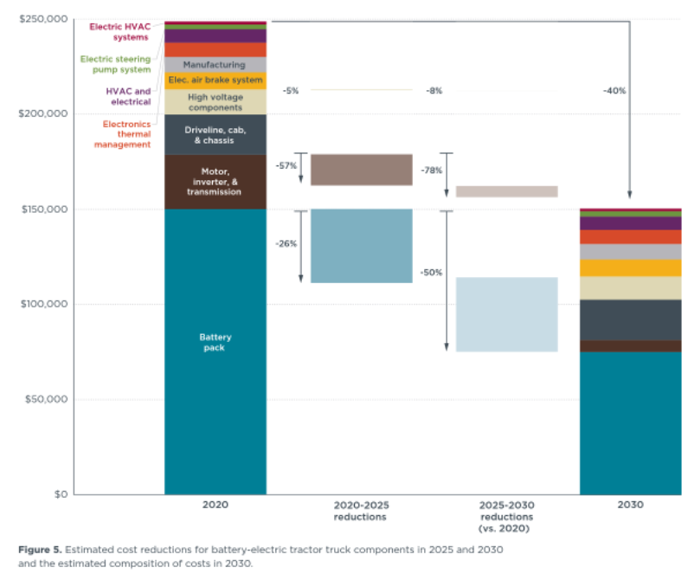

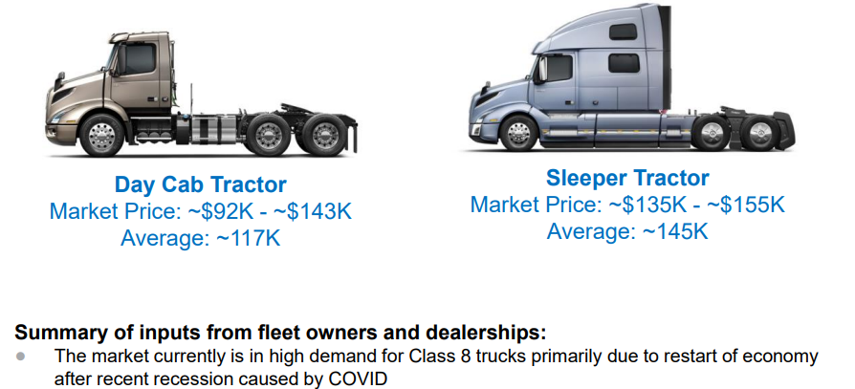

Cost improvement other than battery

 | Figure 3 | Figure 5
 | % of total | % reduction in 2030 | Total reduction
electric brake systems | 0.04 | 0.08 | 0.3%
Motor+ | 0.12 | 0.78 | 9.4%
 |  |  | 9.7% | sum
 |  |  | $9,486.40

https://theicct.org/wp-content/uploads/2022/02/purchase-cost-ze-trucks-feb22-1.pdf

LDV frt
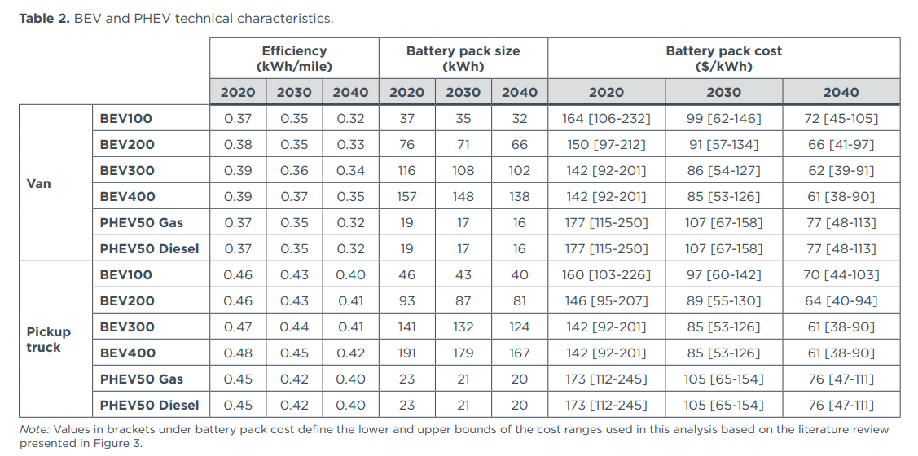
2012$s
 | 2020 | 2021 | 2022 | 2023 | 2024 | 2025 | 2026 | 2027 | 2028 | 2029 | 2030 | 2031 | 2032 | 2033 | 2034 | 2035 | 2036 | 2037 | 2038 | 2039 | 2040 | 2041 | 2042 | 2043 | 2044 | 2045 | 2046 | 2047 | 2048 | 2049 | 2050
battery electric vehicle | $57,533.45 | $54,944.04 | $53,260.89 | $52,051.19 | $51,103.05 | $50,401.26 | $49,806.34 | $49,285.96 | $48,838.59 | $48,448.32 | $48,103.91 | $47,798.83 | $47,531.59 | $47,300.54 | $47,099.61 | $46,923.97 | $46,766.97 | $46,629.33 | $46,507.52 | $46,398.20 | $46,298.95 | $46,210.48 | $46,130.89 | $46,058.91 | $45,993.50 | $45,933.78 | $45,879.14 | $45,828.83 | $45,782.29 | $45,739.12 | $45,698.92
natural gas vehicle | $52,508.22 | $52,508.22 | $52,508.22 | $53,065.11 | $53,622.00 | $54,178.89 | $54,735.78 | $55,292.68 | $55,292.68 | $55,292.68 | $55,292.68 | $55,292.68 | $55,292.68 | $55,292.68 | $55,292.68 | $55,292.68 | $55,292.68 | $55,292.68 | $55,292.68 | $55,292.68 | $55,292.68 | $55,292.68 | $55,292.68 | $55,292.68 | $55,292.68 | $55,292.68 | $55,292.68 | $55,292.68 | $55,292.68 | $55,292.68 | $55,292.68
gasoline vehicle | $47,031.58 | $47,031.58 | $47,031.58 | $47,588.48 | $48,145.37 | $48,702.26 | $49,259.15 | $49,816.04 | $49,816.04 | $49,816.04 | $49,816.04 | $49,816.04 | $49,816.04 | $49,816.04 | $49,816.04 | $49,816.04 | $49,816.04 | $49,816.04 | $49,816.04 | $49,816.04 | $49,816.04 | $49,816.04 | $49,816.04 | $49,816.04 | $49,816.04 | $49,816.04 | $49,816.04 | $49,816.04 | $49,816.04 | $49,816.04 | $49,816.04
diesel vehicle | $52,508.22 | $52,508.22 | $52,508.22 | $53,065.11 | $53,622.00 | $54,178.89 | $54,735.78 | $55,292.68 | $55,292.68 | $55,292.68 | $55,292.68 | $55,292.68 | $55,292.68 | $55,292.68 | $55,292.68 | $55,292.68 | $55,292.68 | $55,292.68 | $55,292.68 | $55,292.68 | $55,292.68 | $55,292.68 | $55,292.68 | $55,292.68 | $55,292.68 | $55,292.68 | $55,292.68 | $55,292.68 | $55,292.68 | $55,292.68 | $55,292.68
plugin hybrid vehicle | $999,999.00 | $999,999.00 | $999,999.00 | $999,999.00 | $999,999.00 | $999,999.00 | $999,999.00 | $999,999.00 | $999,999.00 | $999,999.00 | $999,999.00 | $999,999.00 | $999,999.00 | $999,999.00 | $999,999.00 | $999,999.00 | $999,999.00 | $999,999.00 | $999,999.00 | $999,999.00 | $999,999.00 | $999,999.00 | $999,999.00 | $999,999.00 | $999,999.00 | $999,999.00 | $999,999.00 | $999,999.00 | $999,999.00 | $999,999.00 | $999,999.00
LPG vehicle | $999,999.00 | $999,999.00 | $999,999.00 | $999,999.00 | $999,999.00 | $999,999.00 | $999,999.00 | $999,999.00 | $999,999.00 | $999,999.00 | $999,999.00 | $999,999.00 | $999,999.00 | $999,999.00 | $999,999.00 | $999,999.00 | $999,999.00 | $999,999.00 | $999,999.00 | $999,999.00 | $999,999.00 | $999,999.00 | $999,999.00 | $999,999.00 | $999,999.00 | $999,999.00 | $999,999.00 | $999,999.00 | $999,999.00 | $999,999.00 | $999,999.00
hydrogen vehicle | $73,971.58 | $68,204.95 | $64,733.45 | $62,304.83 | $60,440.10 | $59,021.97 | $57,833.93 | $56,808.47 | $55,924.67 | $55,151.09 | $54,465.60 | $53,880.44 | $53,289.26 | $52,741.70 | $52,230.35 | $51,749.35 | $51,290.94 | $50,855.55 | $50,439.01 | $50,037.43 | $49,647.97 | $49,271.23 | $48,904.98 | $48,547.71 | $48,198.22 | $47,855.45 | $47,518.67 | $47,187.00 | $46,859.83 | $46,536.63 | $46,216.98

CPI adjustment | 0.85004982101 | 2021 to 2012
2021$s
 | 2020 | 2021 | 2022 | 2023 | 2024 | 2025 | 2026 | 2027 | 2028 | 2029 | 2030 | 2031 | 2032 | 2033 | 2034 | 2035 | 2036 | 2037 | 2038 | 2039 | 2040 | 2041 | 2042 | 2043 | 2044 | 2045 | 2046 | 2047 | 2048 | 2049 | 2050
battery electric vehicle | $67,682.44 | $64,636.26 | $62,656.19 | $61,233.11 | $60,117.71 | $59,292.12 | $58,592.26 | $57,980.08 | $57,453.80 | $56,994.68 | $56,589.51 | $56,230.62 | $55,916.24 | $55,644.43 | $55,408.05 | $55,201.43 | $55,016.74 | $54,854.82 | $54,711.52 | $54,582.92 | $54,466.16 | $54,362.08 | $54,268.46 | $54,183.78 | $54,106.83 | $54,036.58 | $53,972.30 | $53,913.11 | $53,858.36 | $53,807.57 | $53,760.28
natural gas vehicle | 61770.751345 | 61770.751345 | 61770.751345 | 62425.879815 | 63081.008284 | 63736.136754 | 64391.265223 | 65046.393693 | 65046.393693 | 65046.393693 | 65046.393693 | 65046.393693 | 65046.393693 | 65046.393693 | 65046.393693 | 65046.393693 | 65046.393693 | 65046.393693 | 65046.393693 | 65046.393693 | 65046.393693 | 65046.393693 | 65046.393693 | 65046.393693 | 65046.393693 | 65046.393693 | 65046.393693 | 65046.393693 | 65046.393693 | 65046.393693 | 65046.393693
gasoline vehicle | $55,328.03 | $55,328.03 | $55,328.03 | $55,983.16 | $56,638.29 | $57,293.42 | $57,948.55 | $58,603.67 | $58,603.67 | $58,603.67 | $58,603.67 | $58,603.67 | $58,603.67 | $58,603.67 | $58,603.67 | $58,603.67 | $58,603.67 | $58,603.67 | $58,603.67 | $58,603.67 | $58,603.67 | $58,603.67 | $58,603.67 | $58,603.67 | $58,603.67 | $58,603.67 | $58,603.67 | $58,603.67 | $58,603.67 | $58,603.67 | $58,603.67
diesel vehicle | $61,770.75 | $61,770.75 | $61,770.75 | $62,425.88 | $63,081.01 | $63,736.14 | $64,391.27 | $65,046.39 | $65,046.39 | $65,046.39 | $65,046.39 | $65,046.39 | $65,046.39 | $65,046.39 | $65,046.39 | $65,046.39 | $65,046.39 | $65,046.39 | $65,046.39 | $65,046.39 | $65,046.39 | $65,046.39 | $65,046.39 | $65,046.39 | $65,046.39 | $65,046.39 | $65,046.39 | $65,046.39 | $65,046.39 | $65,046.39 | $65,046.39
plugin hybrid vehicle | 999,999 | 999,999 | 999,999 | 999,999 | 999,999 | 999,999 | 999,999 | 999,999 | 999,999 | 999,999 | 999,999 | 999,999 | 999,999 | 999,999 | 999,999 | 999,999 | 999,999 | 999,999 | 999,999 | 999,999 | 999,999 | 999,999 | 999,999 | 999,999 | 999,999 | 999,999 | 999,999 | 999,999 | 999,999 | 999,999 | 999,999
LPG vehicle | 999,999 | 999,999 | 999,999 | 999,999 | 999,999 | 999,999 | 999,999 | 999,999 | 999,999 | 999,999 | 999,999 | 999,999 | 999,999 | 999,999 | 999,999 | 999,999 | 999,999 | 999,999 | 999,999 | 999,999 | 999,999 | 999,999 | 999,999 | 999,999 | 999,999 | 999,999 | 999,999 | 999,999 | 999,999 | 999,999 | 999,999
hydrogen vehicle | $87,020.29 | $80,236.41 | $76,152.53 | $73,295.51 | $71,101.84 | $69,433.55 | $68,035.93 | $66,829.58 | $65,789.88 | $64,879.83 | $64,073.42 | $63,385.04 | $62,689.58 | $62,045.42 | $61,443.87 | $60,878.02 | $60,338.74 | $59,826.56 | $59,336.53 | $58,864.11 | $58,405.96 | $57,962.76 | $57,531.90 | $57,111.61 | $56,700.46 | $56,297.23 | $55,901.04 | $55,510.87 | $55,125.98 | $54,745.77 | $54,369.73

 | 2020 | 2021 | 2022 | 2023 | 2024 | 2025 | 2026 | 2027 | 2028 | 2029 | 2030 | 2031 | 2032 | 2033 | 2034 | 2035 | 2036 | 2037 | 2038 | 2039 | 2040 | 2041 | 2042 | 2043 | 2044 | 2045 | 2046 | 2047 | 2048 | 2049 | 2050
BEV | $67,682.44 | $64,636.26 | $62,656.19 | $61,233.11 | $60,117.71 | $59,292.12 | $58,592.26 | $57,980.08 | $57,453.80 | $56,994.68 | $56,590 | $56,231 | $55,916 | $55,644 | $55,408 | $55,201 | $55,017 | $54,855 | $54,712 | $54,583 | $54,466 | $54,362 | $54,268 | $54,184 | $54,107 | $54,037 | $53,972 | $53,913 | $53,858 | $53,808 | $53,760
Diesel | $61,770.75 | $61,770.75 | $61,770.75 | $62,425.88 | $63,081.01 | $63,736.14 | $64,391.27 | $65,046.39 | $65,046.39 | $65,046.39 | $65,046.39 | $65,046.39 | $65,046.39 | $65,046.39 | $65,046.39 | $65,046.39 | $65,046.39 | $65,046.39 | $65,046.39 | $65,046.39 | $65,046.39 | $65,046.39 | $65,046.39 | $65,046.39 | $65,046.39 | $65,046.39 | $65,046.39 | $65,046.39 | $65,046.39 | $65,046.39 | $65,046.39
Gasoline | $55,328.03 | $55,328.03 | $55,328.03 | $55,983.16 | $56,638.29 | $57,293.42 | $57,948.55 | $58,603.67 | $58,603.67 | $58,603.67 | $58,603.67 | $58,603.67 | $58,603.67 | $58,603.67 | $58,603.67 | $58,603.67 | $58,603.67 | $58,603.67 | $58,603.67 | $58,603.67 | $58,603.67 | $58,603.67 | $58,603.67 | $58,603.67 | $58,603.67 | $58,603.67 | $58,603.67 | $58,603.67 | $58,603.67 | $58,603.67 | $58,603.67

Vehicle Group | Vehicle Price | Share
Class 2b-3 gasoline | $49,700.00
Class 2b-3 diesel | $58,000.00
Class 2b-3 generic | $53,850.00 | 78% | $45,021.41 | $38,578.69 | $62,250
Class 4-5 | 55000 | 10% | $5,237.70 | $5,237.70 | $63,579
Class 6-7 | 85000 | 11% | $9,502.75 | $9,502.75 | $98,259
Class 8 | 120000 | 2% | $2,008.88 | $2,008.88 | $138,719
 | DIESEL | weighted average diesel | $61,770.75
 |  | GASOLINE | weighted average gasoline | $55,328.03
 |  |  | EV | weighted average EV price | $67,682.44
https://theicct.org/publication/cost-ev-vans-pickups-us-2040-jan22/
COST OF ELECTRIC COMMERCIAL VANS AND PICKUP TRUCKS IN THE UNITED STATES THROUGH 2040

Current BEV prices for vans range from $47,000–$68,000 across 100–400-mile ranges, and $54,000–$80,000 for pickup trucks.
In comparison, the current cost of a gasoline and diesel van, including tax, is $45,000 and $56,000, respectively, and the cost of a gasoline and diesel pickup truck is $49,000–$60,000, respectively

 |  | battery | battery share of total cost | Ratio BEV/Diesel
BEV van-pickup | $62,250.00 | $14,674.00 | 24%
Diesel | $58,000.00 |  |  | 1.0732758621
Gasoline | $49,700.00
Generic petroleum | $53,850.00

 | low - 100 mile | high - 400 mile | Mean value
BEV van | $47,000.00 | $68,000.00 | $57,500.00
BEV pickup | $54,000.00 | $80,000.00 | $67,000.00
Battery cost per vehicle
BEV van | $5,740.00 | $21,016.00 | $13,378.00
BEV pickup | $6,880.00 | $25,060.00 | $15,970.00
battery size
BEV van | 35 | 148
BEV pickup | 43 | 179
battery unit cost (per kWh)
BEV van | 164 | 142
BEV pickup | 160 | 140
 | BEV | Diesel | Gasoline
Van | $57,500.00 | $56,000.00 | $50,400.00
Pickup | $67,000.00 | $60,000.00 | $49,000.00
Mean | $62,250.00 | $58,000.00 | $49,700.00

 | 2020 | 2021 | 2022 | 2023 | 2024 | 2025 | 2026 | 2027 | 2028 | 2029 | 2030 | 2031 | 2032 | 2033 | 2034 | 2035 | 2036 | 2037 | 2038 | 2039 | 2040 | 2041 | 2042 | 2043 | 2044 | 2045 | 2046 | 2047 | 2048 | 2049 | 2050
battery electric vehicle | 67682.444248 | $64,636.26 | $62,656.19 | $61,233.11 | $60,117.71 | $59,292.12 | $58,592.26 | $57,980.08 | $57,453.80 | $56,994.68 | $56,589.51 | $56,230.62 | $55,916.24 | $55,644.43 | $55,408.05 | $55,201.43 | $55,016.74 | $54,854.82 | $54,711.52 | $54,582.92 | $54,466.16 | $54,362.08 | $54,268.46 | $54,183.78 | $54,106.83 | $54,036.58 | $53,972.30 | $53,913.11 | $53,858.36 | $53,807.57 | $53,760.28
 | $16,243.79 | $13,197.61 | $11,217.54 | $9,794.45 | $8,679.06 | $7,853.46 | $7,153.60 | $6,541.42 | $6,015.14 | $5,556.02 | $5,150.86 | $4,791.97 | $4,477.58 | $4,205.78 | $3,969.40 | $3,762.78 | $3,578.08 | $3,416.17 | $3,272.86 | $3,144.26 | $3,027.50 | $2,923.43 | $2,829.80 | $2,745.12 | $2,668.17 | $2,597.92 | $2,533.64 | $2,474.45 | $2,419.71 | $2,368.91 | $2,321.63
LDV frt - Battery share of cost | 24% | 20% | 18% | 16% | 14% | 13% | 12% | 11% | 10% | 10% | 9% | 9% | 8% | 8% | 7% | 7% | 7% | 6% | 6% | 6% | 6% | 5% | 5% | 5% | 5% | 5% | 5% | 5% | 4% | 4% | 4%

Californie EPS output (25 April 2022)
Time (Time) | 2020 | 2021 | 2022 | 2023 | 2024 | 2025 | 2026 | 2027 | 2028 | 2029 | 2030 | 2031 | 2032 | 2033 | 2034 | 2035 | 2036 | 2037 | 2038 | 2039 | 2040 | 2041 | 2042 | 2043 | 2044 | 2045 | 2046 | 2047 | 2048 | 2049 | 2050
This Year Battery Cost as Fraction of First Year Battery Cost : MostRecentRun | 1 | 0.812471 | 0.690574 | 0.602966 | 0.5343 | 0.483475 | 0.44039 | 0.402703 | 0.370304 | 0.34204 | 0.317097 | 0.295003 | 0.275649 | 0.258916 | 0.244364 | 0.231644 | 0.220274 | 0.210306 | 0.201484 | 0.193567 | 0.186379 | 0.179972 | 0.174208 | 0.168995 | 0.164258 | 0.159933 | 0.155976 | 0.152332 | 0.148962 | 0.145835 | 0.142924
Imputed battery cost | $16,243.79
Imputed vehicle cost | $51,438.66
Saving over start year |  | $3,046.18 | $5,026.25 | $6,449.34 | $7,564.73 | $8,390.32 | $9,090.19 | $9,702.37 | $10,228.65 | $10,687.76 | $11,092.93 | $11,451.82 | $11,766.20 | $12,038.01 | $12,274.39 | $12,481.01 | $12,665.70 | $12,827.62 | $12,970.92 | $13,099.53 | $13,216.29 | $13,320.36 | $13,413.99 | $13,498.67 | $13,575.61 | $13,645.87 | $13,710.15 | $13,769.34 | $13,824.08 | $13,874.87 | $13,922.16

battery size and cost

HDV psg
 | 2020 | 2021 | 2022 | 2023 | 2024 | 2025 | 2026 | 2027 | 2028 | 2029 | 2030 | 2031 | 2032 | 2033 | 2034 | 2035 | 2036 | 2037 | 2038 | 2039 | 2040 | 2041 | 2042 | 2043 | 2044 | 2045 | 2046 | 2047 | 2048 | 2049 | 2050
battery electric vehicle | 485083.31539 | 470795.57295 | 453641.52889 | 441312.82931 | 431649.75647 | 424497.37134 | 418434.20335 | 413130.67284 | 408571.29998 | 404593.82801 | 401083.70617 | 397974.51194 | 395250.9062 | 392896.14259 | 390848.3018 | 389058.27054 | 387458.21901 | 386055.46495 | 384813.98258 | 383699.85699 | 382688.32046 | 381786.69072 | 380975.54762 | 380241.9444 | 379575.32663 | 378966.68786 | 378409.83615 | 377897.0316 | 377422.78589 | 376982.73654 | 376573.08395
natural gas vehicle | 393020 | 393020 | 393020 | 393020 | 393020 | 393020 | 393020 | 393020 | 393020 | 393020 | 393020 | 393020 | 393020 | 393020 | 393020 | 393020 | 393020 | 393020 | 393020 | 393020 | 393020 | 393020 | 393020 | 393020 | 393020 | 393020 | 393020 | 393020 | 393020 | 393020 | 393020
gasoline vehicle | 353718 | 353718 | 353718 | 353718 | 353718 | 353718 | 353718 | 353718 | 353718 | 353718 | 353718 | 353718 | 353718 | 353718 | 353718 | 353718 | 353718 | 353718 | 353718 | 353718 | 353718 | 353718 | 353718 | 353718 | 353718 | 353718 | 353718 | 353718 | 353718 | 353718 | 353718
diesel vehicle | 393020 | 393020 | 393020 | $395,042.00 | $397,064.00 | $399,086.00 | $401,108.00 | $403,770.00 | $403,770.00 | $403,770.00 | $403,770.00 | $403,770.00 | $403,770.00 | $403,770.00 | $403,770.00 | $403,770.00 | $403,770.00 | $403,770.00 | $403,770.00 | $403,770.00 | $403,770.00 | $403,770.00 | $403,770.00 | $403,770.00 | $403,770.00 | $403,770.00 | $403,770.00 | $403,770.00 | $403,770.00 | $403,770.00 | $403,770.00
plugin hybrid vehicle | 999999 | 999999 | 999999 | 999999 | 999999 | 999999 | 999999 | 999999 | 999999 | 999999 | 999999 | 999999 | 999999 | 999999 | 999999 | 999999 | 999999 | 999999 | 999999 | 999999 | 999999 | 999999 | 999999 | 999999 | 999999 | 999999 | 999999 | 999999 | 999999 | 999999 | 999999
LPG vehicle | 999999 | 999999 | 999999 | 999999 | 999999 | 999999 | 999999 | 999999 | 999999 | 999999 | 999999 | 999999 | 999999 | 999999 | 999999 | 999999 | 999999 | 999999 | 999999 | 999999 | 999999 | 999999 | 999999 | 999999 | 999999 | 999999 | 999999 | 999999 | 999999 | 999999 | 999999
hydrogen vehicle | 623678.54836 | 584423.43386 | 551357.32015 | 528247.68196 | 510516.59541 | 497104.11476 | 485875.76965 | 476186.81861 | 467851.6914 | 460568.91468 | 454126.62052 | 448610.19477 | 443129.08335 | 438092.47055 | 433424.94229 | 429066.71822 | 424938.68927 | 421045.35988 | 417344.04838 | 413795.22856 | 410370.01057 | 407074.31949 | 403885.55608 | 400788.41815 | 397770.42638 | 394820.97174 | 391932.58002 | 389096.33425 | 386305.81092 | 383555.86585 | 380842.0306

Vehicle costs and specs from NREL document in References

Battery capacity | 376.29310345
Cost of battery (current): The cost of batteries was based on the 2015 U.S. Department of Energy estimate of $268/kWh (Howell et al. 2016).

 | 2020 cost in 2018 $s | 2020 cost in 2012 $s
Battery cost | 94068 | 85978.152
Plus 36% profit margin | 127932.48 | 116930.28672
Plus small market adder | 140725.728 | 128623.31539
Diesel bus - vehicle cost (includes profit margin) | 430,000 | 393,020

Diesel vehicle minus engine (use for bus cost without battery) | $390,000 | $356,460

BEV price estimate | $530,726 | $485,083.32
Battery share | 24% | 0.24105196573

BEV vehicle only without battery price |  | $356,460

Battery share time series for BESP
 | 2020 | 2021 | 2022 | 2023 | 2024 | 2025 | 2026 | 2027 | 2028 | 2029 | 2030 | 2031 | 2032 | 2033 | 2034 | 2035 | 2036 | 2037 | 2038 | 2039 | 2040 | 2041 | 2042 | 2043 | 2044 | 2045 | 2046 | 2047 | 2048 | 2049 | 2050
 | $128,623 | $114,336 | $97,182 | $84,853 | $75,190 | $68,037 | $61,974 | $56,671 | $52,111 | $48,134 | $44,624 | $41,515 | $38,791 | $36,436 | $34,388 | $32,598 | $30,998 | $29,595 | $28,354 | $27,240 | $26,228 | $25,327 | $24,516 | $23,782 | $23,115 | $22,507 | $21,950 | $21,437 | $20,963 | $20,523 | $20,113
HDV psg Battery share time series for BESP | 27% | 24% | 21% | 19% | 17% | 16% | 15% | 14% | 13% | 12% | 11% | 10% | 10% | 9% | 9% | 8% | 8% | 8% | 7% | 7% | 7% | 7% | 6% | 6% | 6% | 6% | 6% | 6% | 6% | 5% | 5%

Diesel price
2020 estimate | 430000
https://afdc.energy.gov/files/u/publication/financial_analysis_be_transit_buses.pdf
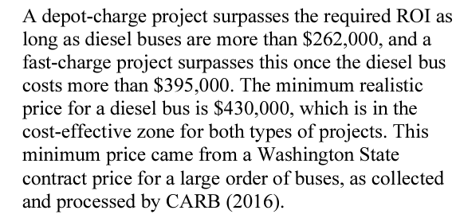

Average battery size among CARB HVIP eligible vehicles | 376.29310345
https://californiahvip.org/vehicle-category/transit-bus/

Model | Category | OEM | Technology Type | Vehicle Incentives | Dealers | New or Conversion | Battery | Model Years | GVWR | Vehicle Types | Banner | Additional Info
ARBOC Equess Charge (3000,3500) Battery Electric Bus | Heavy-Duty Bus | ARBOC Specialty Vehicles | Battery Electric | 85000 | Creative Bus Sales | New | 350 kWh, 437 kWh | 2022 | Class 7 | Paratransit;Shuttle Bus;Transit Bus |  |  |  | 393.5
BYD C10M Battery Electric Bus | Heavy-Duty Bus | BYD Motors | Battery Electric | 120000 | BYD Motors | New | 446 kWh | 2020, 2021, 2022 | 40 - 59 ft;Class 8 | Coach Bus |  |  |  | 446
BYD C10MS Battery Electric Bus | Heavy-Duty Bus | BYD Motors | Battery Electric | 120000 | BYD Motors | New | 446 kWh | 2020, 2021, 2022 | 40 - 59 ft;Class 8 | Coach Bus |  |  |  | 446
BYD C8M Battery Electric Bus | Heavy-Duty Bus | BYD Motors | Battery Electric | 120000 | BYD Motors | New | 313 kWh | 2020, 2021, 2022 | 30 - 39 ft;Class 8 | Coach Bus |  |  |  | 313
BYD C8MS Battery Electric Bus | Heavy-Duty Bus | BYD Motors | Battery Electric | 120000 | BYD Motors | New | 313 kWh | 2021, 2022 | 30 - 39 ft;Class 8 | Coach Bus |  |  |  | 313
BYD C9M Battery Electric Bus | Heavy-Duty Bus | BYD Motors | Battery Electric | 120000 | BYD Motors | New | 352 kWh | 2020, 2021, 2022 | 30 - 39 ft;Class 8 | Coach Bus |  |  |  | 352
BYD K11M Battery Electric Bus | Heavy-Duty Bus | BYD Motors | Battery Electric | 120000 | BYD Motors | New | 578 kWh <br> 652 kWh | 2020, 2021, 2022 | Class 8 | Transit Bus |  |  |  | 600
BYD K7M Battery Electric Bus | Heavy-Duty Bus | BYD Motors | Battery Electric | 85000 | BYD Motors | New | 215 kWh | 2020, 2021, 2022 | 30 - 39 ft;Class 7 | Transit Bus |  |  |  | 215
BYD K7M-ER Battery Electric Bus | Heavy-Duty Bus | BYD Motors | Battery Electric | 120000 | BYD Motors | New | 266 kWh | 2020, 2021, 2022 | 30 - 39 ft;Class 8 | Shuttle Bus;Transit Bus |  |  |  | 262
BYD K8M Battery Electric Bus | Heavy-Duty Bus | BYD Motors | Battery Electric | 120000 | BYD Motors | New | 352 kWh | 2020, 2021, 2022 | 30 - 39 ft;Class 8 | Transit Bus |  |  |  | 352
BYD K9M Battery Electric Bus | Heavy-Duty Bus | BYD Motors | Battery Electric | 120000 | BYD Motors | New | 352 kWh | 2020, 2021, 2022 | 30 - 39 ft;Class 8 | Transit Bus |  |  |  | 352
BYD K9MD Battery Electric Bus | Heavy-Duty Bus | BYD Motors | Battery Electric | 120000 | BYD Motors | New | 352 kWh | 2022 | 40 - 59 ft;Class 8 | Transit Bus |  |  |  | 352
BYD Type-D Battery Electric School Bus | Heavy-Duty Bus;School Bus | BYD Motors | Battery Electric | 198,000 - $375,000 | BYD Motors | New | 230 kWh | 2022 | Class 8 | Public School Bus | Set-Aside | Public School Bus Set-Aside Eligible: This school bus is V2G capable and eligible for the Public School Bus Set-Aside for Small and Medium Air Districts.
ElDorado National AXESS 35&#8242; Fuel Cell Hybrid Transit Bus | Heavy-Duty Bus | ElDorado National | Hydrogen Fuel Cell | 240000 | Creative Bus Sales;ElDorado National California | New |  | 2019 | 30 - 39 ft;Class 8 | Transit Bus
ElDorado National AXESS 40&#8242; Fuel Cell Hybrid Transit Bus | Heavy-Duty Bus | ElDorado National | Hydrogen Fuel Cell | 240000 | Creative Bus Sales;ElDorado National California | New |  | 2019 | 30 - 39 ft;Class 8 | Transit Bus
GILLIG Low Floor Battery Electric Bus | Heavy-Duty Bus | Gillig | Battery Electric | 120000 | Gillig | New | 444 kWh | 2020, 2021, 2022 | 25 - 29 ft;30 - 39 ft;Class 8 | Transit Bus |  |  |  | 444
GreenPower EV250 &#8211; 30&#8242; Low Floor Transit Bus | Heavy-Duty Bus | GreenPower Motor Company | Battery Electric | 120000 | Creative Bus Sales;GreenPower Motor Company;Tom's Truck Center | New | 210 kWh | 2020, 2021 | 30 - 39 ft;Class 8 | Transit Bus |  |  |  | 210
GreenPower EV350 &#8211; 40&#8242; Low Floor Transit Bus | Heavy-Duty Bus | GreenPower Motor Company | Battery Electric | 120000 | Creative Bus Sales;GreenPower Motor Company;Tom's Truck Center | New | 320 kWh | 2020, 2021 | 40 - 59 ft;Class 8 | Transit Bus |  |  |  | 320
GreenPower EV550 &#8211; 45&#8242; Double Decker Bus | Heavy-Duty Bus | GreenPower Motor Company | Battery Electric | 120000 | Creative Bus Sales;GreenPower Motor Company;Tom's Truck Center | New | 478 kWh | 2020, 2021 | 40 - 59 ft;Class 8 | Transit Bus |  |  |  | 478
GreenPower SYNAPSE Shuttle Bus | Heavy-Duty Bus | GreenPower Motor Company | Battery Electric | 120,000 $ | Creative Bus Sales;GreenPower Motor Company;Tom's Truck Center | New | 200 kWh | 2020, 2021 | 30 - 39 ft;Class 8 | Shuttle Bus;Transit Bus |  |  |  | 200
Lightning Systems Coach Bus LEV Repower | Heavy-Duty Bus | Lightning eMotors | Battery Electric | 60000 | ABC Bus, Inc.;Electric Vehicle Conversions;Lightning eMotors;Schetky Northwest Sales Inc | Conversion | 640 kWh | 2021 | Class 8 | Coach Bus;Retrofit | Retrofit |  |  | 640
Motor Coach Industries D45 CRT CHARGE | Heavy-Duty Bus | Motor Coach Industries | Battery Electric | 120000 | Motor Coach Industries | New | 389 kWh <br> 544 kWh | 2020, 2022 | 40 - 59 ft;Class 8 | Coach Bus;Shuttle Bus;Transit Bus |  |  |  | 325
Motor Coach Industries D45 CRT LE CHARGE | Heavy-Duty Bus | Motor Coach Industries | Battery Electric | 120000 | Motor Coach Industries | New | 389 kWh | 2020, 2021, 2022 | 40 - 59 ft;Class 8 | Coach Bus;Shuttle Bus;Transit Bus |  |  |  | 389
Motor Coach Industries J4500 CHARGE | Heavy-Duty Bus | Motor Coach Industries | Battery Electric | 120000 | Motor Coach Industries | New | 389 kWh <br> 544 kWh | 2020, 2021, 2022 | 40 - 59 ft;Class 8 | Coach Bus;Shuttle Bus;Transit Bus |  |  |  | 425
New Flyer XCELSIOR XE 35 Battery Electric Bus | Heavy-Duty Bus | New Flyer | Battery Electric | 120000 | New Flyer of America | New | 350 kWh<br>440 kWh | 2020, 2021, 2022 | 30 - 39 ft;Class 8 | Transit Bus |  |  |  | 400
New Flyer XCELSIOR XE 40 Battery Electric Bus | Heavy-Duty Bus | New Flyer | Battery Electric | 120000 | New Flyer of America | New | 350 kWh<br>440 kWh<br>525 kWh | 2020, 2021, 2022 | 30 - 39 ft;Class 8 | Transit Bus |  |  |  | 440
New Flyer XCELSIOR XE 60 Battery Electric Bus | Heavy-Duty Bus | New Flyer | Battery Electric | 120000 | New Flyer of America | New | 525 kWh | 2020, 2021, 2022 | Class 8 | Transit Bus |  |  |  | 525
New Flyer Xcelsior XHE40 Fuel Cell Electric Bus | Heavy-Duty Bus | New Flyer | Hydrogen Fuel Cell | 240000 | New Flyer of America | New |  | 2021, 2022 | 40 - 59 ft;Class 8 | Transit Bus
New Flyer Xcelsior XHE60 Fuel Cell Electric Bus | Heavy-Duty Bus | New Flyer | Hydrogen Fuel Cell | 240000 | New Flyer of America | New |  | 2021, 2022 | Class 8 | Transit Bus
Nova Bus LFSe+ Long Range Battery Electric Bus | Heavy-Duty Bus | Nova Bus | Battery Electric | 120000 | Nova Bus Inc. | New | 374 kWh<br> 564 kWh | 2021 | 40 - 59 ft;Class 8 | Transit Bus |  |  |  | 374
Proterra 35&#8242; ZX5 | Heavy-Duty Bus | Proterra | Battery Electric | 120,000 $ | Proterra | New | 225 kWh <br>450 kWh | 2021 | 30 - 39 ft;Class 8 | Transit Bus |  |  |  | 225
Proterra 40&#8242; ZX5 | Heavy-Duty Bus | Proterra | Battery Electric | 120,000 $ | Proterra | New | 225 kWh <br>450 kWh <br>675 kWh | 2021 | 40 - 59 ft;Class 8 | Transit Bus |  |  |  | 225
SEA Econic EV (on Freightliner Econic with SEA-DriveÂ® Power-System) | Heavy-Duty Bus;Refuse | SEA Electric | Battery Electric | 120000 | Electric Vehicle Conversions | New | 220 kWh | 2021 | Class 8 | Refuse;Transit Bus |  |  |  | 220
Van Hool NV CX45E Battery Electric Bus | Heavy-Duty Bus | Van Hool NV | Battery Electric | 120000 | ABC Bus, Inc. | New | 676 kWh | 2020, 2021 | Class 8 | Coach Bus;Shuttle Bus;Transit Bus |  |  |  | 676

Hydrogen
 | 2020 | 2021 | 2022 | 2023 | 2024 | 2025 | 2026 | 2027 | 2028 | 2029 | 2030 | 2031 | 2032 | 2033 | 2034 | 2035 | 2036 | 2037 | 2038 | 2039 | 2040 | 2041 | 2042 | 2043 | 2044 | 2045 | 2046 | 2047 | 2048 | 2049 | 2050
Ratio of BEV/FCEV | 1.2857142857 | 1.2413528662 | 1.2154030992 | 1.1969914466 | 1.1827102593 | 1.1710416797 | 1.1611760362 | 1.152630027 | 1.1450919128 | 1.1383488398 | 1.1322489883 | 1.1272334818 | 1.1211336303 | 1.1150337788 | 1.1089339273 | 1.1028340758 | 1.0967342243 | 1.0906343728 | 1.0845345213 | 1.0784346698 | 1.0723348183 | 1.0662349668 | 1.0601351152 | 1.0540352637 | 1.0479354122 | 1.0418355607 | 1.0357357092 | 1.0296358577 | 1.0235360062 | 1.0174361547 | 1.0113363032

 | 2020 | 2025 | 2030 |  | https://theicct.org/cost-electric-semi-feb22/
BEV | 2.8 | 1.9 | 1.5
FCEV | 3.6 | 2.5 | 1.7
FCEV used | 1.2857142857 | 1.3157894737 | 1.1333333333

 | 2020 | 2021 | 2022 | 2023 | 2024 | 2025 | 2026 | 2027 | 2028 | 2029 | 2030 | 2031 | 2032 | 2033 | 2034 | 2035 | 2036 | 2037 | 2038 | 2039 | 2040 | 2041 | 2042 | 2043 | 2044 | 2045 | 2046 | 2047 | 2048 | 2049 | 2050
 | 1.2857142857 | 1.2413528662 | 1.2154030992 | 1.1969914466 | 1.1827102593 | 1.1710416797 | 1.1611760362 | 1.152630027 | 1.1450919128 | 1.1383488398 | 1.1322489883
years forward | 1 | 2 | 3 | 4 | 5 | 6 | 7 | 8 | 9 | 10 | 11
ratio | 1.2857142857 |  |  |  |  | 1.3157894737 |  |  |  |  | 1.1333333333
first product | 0 | -0.044361419556 | -0.070311186475 | -0.088722839112 | -0.1030040264 | -0.11467260603 | -0.12453824954 | -0.13308425867 | -0.14062237295 | -0.14736544595 | -0.15346529746
 |  |  |  |  |  |  |  |  |  |  | -0.0060998515075 | Delta
 |  |  |  |  |  |  |  |  |  |  | Imputed | 1.1272334818 | 1.1211336303 | 1.1150337788 | 1.1089339273 | 1.1028340758 | 1.0967342243 | 1.0906343728 | 1.0845345213 | 1.0784346698 | 1.0723348183 | 1.0662349668 | 1.0601351152 | 1.0540352637 | 1.0479354122 | 1.0418355607 | 1.0357357092 | 1.0296358577 | 1.0235360062 | 1.0174361547 | 1.0113363032
Trend projection
Scatterplot
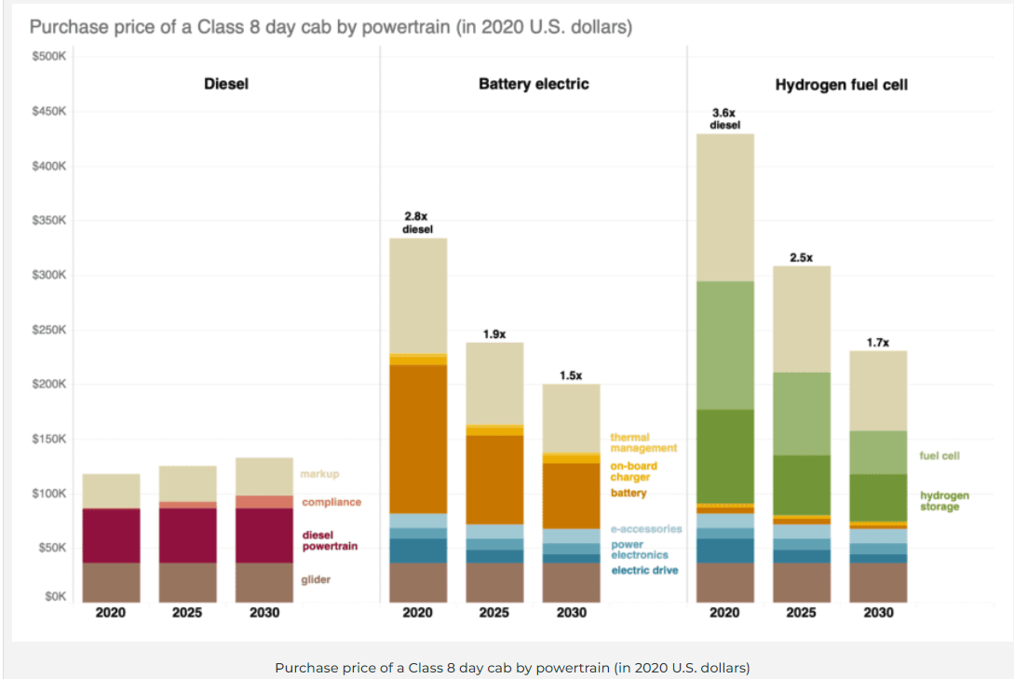
years forward | 1 | 11
FCEV used | 1.2857142857 | 1.1333333333

coeff 1 | -0.064
coeff 2 | 1.3

CARB
Source: CARB
PUBLIC HEARING TO CONSIDER THE PROPOSED ADVANCED CLEAN TRUCKS REGULATION
https://ww3.arb.ca.gov/regact/2019/act2019/isor.pdf

Color Key:
Copied from CARB source

In 2012 $s for rows 20 and 21
 | 2021-2023 MY | 2024-2026 MY | 2027-2030 MY
Class 2b-3 Pickup/Van | $524.00 | $963.00 | $1,364.00
Vocational Vehicles* | $1,110.00 | $2,022.00 | $2,662.00

Tractors | $6,484.00 | $10,101.00 | $12,442.00

Calculated LDV Average | $655.13 | $1,199.97 | $1,654.45

Gasoline and Diesel Vehicle Starting Prices:
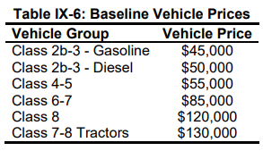

 |  | Vehicle Group | Vehicle Price | Relative to diesel
 |  | Class 2b-3 - Gasoline | $45,000.00 | 0.9
 |  | Class 2b-3 - Diesel | $50,000.00
 |  | Class 4-5 | $55,000.00
 |  | Class 6-7 | $85,000.00
 |  | Class 8 | $120,000.00
 |  | Class 7-8 Tractors | $130,000.00 | $118,820.00

Sales - diesel and gasoline

Model Year | Class 2b-3 | Class 4-5 | Class 6-7 | Class 8 | Class 7-8 Tractor
2024 | 53761 | 6436 | 7556 | 1119 | 4686
2025 | 54217 | 6531 | 7667 | 1137 | 4769
2026 | 54753 | 6649 | 7806 | 1177 | 4918
2027 | 55152 | 6786 | 7966 | 1194 | 4993
2028 | 55765 | 6904 | 8105 | 1216 | 5075
2029 | 56371 | 7024 | 8246 | 1239 | 5161
2030 | 56968 | 7147 | 8390 | 1264 | 5263
sum | 386987 | 47477 | 55736 | 8346 | 34865
 | LDV Freight |  |  |  | HDV Freight
 | Class 2b-3 | Class 4-5 | Class 6-7 | Class 8 | Class 7-8 Tractor
Sales Share (2024-2030) | 78% | 10% | 11% | 2% | 100%

Ships
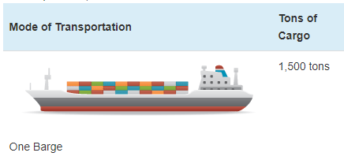
Ship prices vary greatly by ship type and size. Based on variable AVLo, our average |  |  |  | freight ship capacity
freight ship loading is 1363 tons. This may be reasonably represented by a single oceangoing, |  |  |  | Tennessee-Tombigbee Waterway
self-propelled barge that has a capacity of 1500 tons (see source info to the right). A drawing |  |  |  | undated
of a barge of this type is shown to the right (from thas same source). |  |  |  | Cargo Capacity of Different Transportation Modes
 |  |  |  | http://business.tenntom.org/why-use-the-waterway/shipping-comparisons/
Capacities of large barges of this sort are often expressed in TEU (twenty-foot equivalent units),
which are the size of a standard intermodal metal shipping container. They do not convert
neatly into cargo tons, but standard containers have a maximum payload
mass of 21600 kg, or 21.6 metric tons. Typical payload may be less. We use 16 tons as
the typical load for a freight HDV (see variable AVLo), which may use an intermodal container
or be similar in size to one.

The largest barge in the world is the Maersk Triple E class, with a capacity of 18,340 TEU |  |  |  | Source for TEU capacities
and a cost of $185 million. This is more than 200 times more capacity than the ship we |  |  |  | https://web.archive.org/web/20090420143514/http://emase.co.uk/data/cont.html
wish to represent with this variable, and it serves as an upper bound reference point.
 |  |  |  | Source for Maersk Triple E class pricing
A variety of used boats are listed for sale at https://www.oceanmarine.com |  |  |  | https://www.bloomberg.com/news/photo-essays/2013-09-05/holy-ship#slide1
with ever-changing inventory. These barges all tend to be smaller than the reference
ship we wish to represent (with 1500-ton capacity). The closest ships I have been |  |  |  | Source for Other Example cargo ship pricing
able to find are certain Platform Supply Vessels, which tend to have higher deck capacities |  |  |  | https://www.oceanmarine.com
and lower prices than the similar Anchor Handling Tug Supply (AHTS) vessels. AHTS
vessels have extra equipment and engine power that may increase their price relative
to the necessary capacity.

 | Description | Deck Capacity (metric tons) | Price | Year of Manufacture
 | 180ft 5200HP AHTS 9504 | 500 | 5900000 | 1984
 | 60 Ton BP AHTS - 9279 | 500 | 7050000 | 1984
 | 5200HP AHTS - 9278 | 500 | 7050000 | 1983
 | 220ft Platform Supply DP-1 - 13146 | 1030 | 6000000 | 1999
 | 240ft Platform Supply Vessel(PSV) DP-1 - 13932 | 1800 | 6000000 | 2009
 | 285ft Platform Supply Vessel (PSV) - 13810 | 2800 | 22000000 | 2014

Based on all of these data points, we select a value of $10 million to represent a brand new,
self-propelled, ocean-going barge or supply boat with 1,500-ton capacity.
10000000

We assume no change in pricing over time.

Passenger Ships (recreational boats in the U.S. model) |  |  |  | Source for typical recreational boat characteristics
As with freight ships, there are a great variety of types of recreational boats at various |  |  |  | http://www.carefreeboater.com/how-much-does-a-boat-cost/
price points. We assume a runabout roughly 21 feet to 24 feet in length is typical.
 |  |  |  | Sources for boat prices
We use a value of $30,000 for these boats, which seems reasonable for a brand |  |  |  | http://www.boatingmag.com
new, entry-level runabout of the sort determined to be typical. This is based |  |  |  | http://www.boattrader.com
on examination of price listings and articles at the sources listed to the right. |  |  |  | http://www.boats.com
30000

We assume no change in pricing over time.

For estimating electric and hydrogen vehicle prices, we apply the ratios
from the passenger HDVs category.

